APR2023_MSL
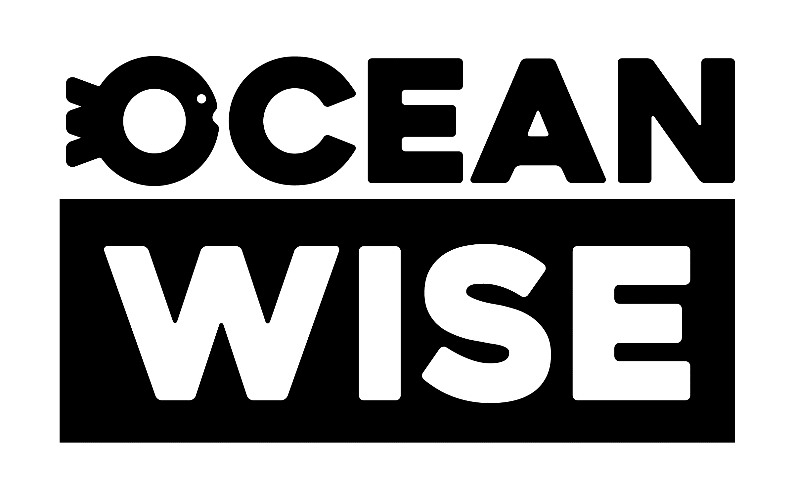
 |  |  |  |  | Legend:
 |  |  |  |  |  | Ocean Wise, sustainable seafood option
 |  |  |  |  |  | Avoid, unsustainable choice
 |  |  |  |  |  | Under review, still gathering information on the fishery
 |  |  |  |  |  | Eco-Certified, refer to recommendation to determine if it is Ocean Wise

 |  |  |  |  | April 6th, 2023
Master Seafood List

Ocean Wise Seafood ID | Type | Eco-certification | Rating | Variety | Alternative Market Names | Latin Name(s) | Wild / Farmed | Harvest Method | Region | MSC Fishery Name | MSC Fishery Location Details
OWS-12604 | Abalone |  | Ocean Wise | Abalone | Awabi | Haliotis spp. | Farmed | Bottom Culture (Open) | Worldwide
OWS-17027 | Abalone |  | Ocean Wise | Abalone | Awabi | Haliotis spp. | Farmed | Tanks (Outdoor Flowthrough) | Worldwide
OWS-11108 | Abalone | Marine Stewardship Council Certified | Ocean Wise | Abalone, Brownlip | Awabi | Haliotis conicopora | Wild | Miscellaneous Gear | FAO Area 57 (Indian Ocean, Eastern) | Western Australia Abalone Fishery | All coastal waters of the Southern Ocean, Indian Ocean and Timor Sea between the Western Australia/Northern Territory border and the Western Australia/South Australia border.
OWS-11109 | Abalone | Marine Stewardship Council Certified | Ocean Wise | Abalone, Greenlip | Awabi | Haliotis laevigata | Wild | Miscellaneous Gear | FAO Area 57 (Indian Ocean, Eastern) | Western Australia Abalone Fishery | All coastal waters of the Southern Ocean, Indian Ocean and Timor Sea between the Western Australia/Northern Territory border and the Western Australia/South Australia border.
OWS-11110 | Abalone | Marine Stewardship Council Certified | Ocean Wise | Abalone, Roe's | Awabi | Haliotis roei | Wild | Miscellaneous Gear | FAO Area 57 (Indian Ocean, Eastern) | Western Australia Abalone Fishery | All coastal waters of the Southern Ocean, Indian Ocean and Timor Sea between the Western Australia/Northern Territory border and the Western Australia/South Australia border.
OWS-14435 | Amberjack |  | Ocean Wise | Amberjack, Almaco | Amberjack, Buri, Hamachi, Kahala, Hawaiian Kanpachi, Pacific Amberjack, Yellowtail | Seriola rivoliana | Farmed | Net Pens / Cages (Marine Only) | (Eastern Central Pacific Ocean): Mexico
OWS-12609 | Amberjack |  | Ocean Wise | Amberjack, Almaco | Amberjack, Buri, Hamachi, Kahala, Hawaiian Kanpachi, Pacific Amberjack, Yellowtail | Seriola rivoliana | Farmed | Net Pens / Cages (Marine Only) | (Eastern Central Pacific Ocean): United States - Hawaii
OWS-12607 | Amberjack |  | Ocean Wise | Amberjack, Almaco | Amberjack, Buri, Hamachi, Kahala, Hawaiian Kanpachi, Pacific Amberjack, Yellowtail | Seriola rivoliana | Farmed | Recirculating Aquaculture Systems (Indoor Tanks With Wastewater Treatment) | Worldwide
OWS-14499 | Amberjack |  | Ocean Wise | Amberjack, Almaco | Amberjack, Buri, Hamachi, Kahala, Hawaiian Kanpachi, Pacific Amberjack, Yellowtail | Seriola rivoliana | Farmed | Recirculating Aquaculture Systems (Indoor Tanks Without Wastewater Treatment) | Worldwide
OWS-12605 | Amberjack |  | Ocean Wise | Amberjack, Buri | Amberjack, Hamachi, Kanpachi, Japanese Amberjack, Japanese Yellowtail | Seriola quinqueradiata | Farmed | Recirculating Aquaculture Systems (Indoor Tanks With Wastewater Treatment) | Worldwide
OWS-14500 | Amberjack |  | Ocean Wise | Amberjack, Buri | Amberjack, Hamachi, Kanpachi, Japanese Amberjack, Japanese Yellowtail | Seriola quinqueradiata | Farmed | Recirculating Aquaculture Systems (Indoor Tanks Without Wastewater Treatment) | Worldwide
OWS-12620 | Amberjack |  | Not Recommended | Amberjack, Buri | Amberjack, Hamachi, Kanpachi, Japanese Amberjack, Japanese Yellowtail | Seriola quinqueradiata | Farmed | Net Pens / Cages (Marine Only) | (Northwest Pacific Ocean): Japan
OWS-12606 | Amberjack |  | Ocean Wise | Amberjack, Greater | Amberjack, Atlantic Amberjack, Buri, Kanpachi, Yellowtail | Seriola dumerili | Farmed | Recirculating Aquaculture Systems (Indoor Tanks With Wastewater Treatment) | Worldwide
OWS-14501 | Amberjack |  | Ocean Wise | Amberjack, Greater | Amberjack, Atlantic Amberjack, Buri, Kanpachi, Yellowtail | Seriola dumerili | Farmed | Recirculating Aquaculture Systems (Indoor Tanks Without Wastewater Treatment) | Worldwide
OWS-15139 | Amberjack |  | Ocean Wise | Amberjack, Greater |  | Seriola dumerili | Wild | Diving | FAO 31 (Gulf of Mexico): United States
OWS-12621 | Amberjack |  | Not Recommended | Amberjack, Greater | Amberjack, Atlantic Amberjack, Buri, Kanpachi, Yellowtail | Seriola dumerili | Farmed | Net Pens / Cages (Marine Only) | (Northwest Pacific Ocean): Japan
OWS-12610 | Amberjack |  | Not Recommended | Amberjack, Greater | Amberjack, Atlantic Amberjack, Buri, Kanpachi, Yellowtail | Seriola dumerili | Wild | Diving | FAO 31 (Western Central Atlantic Ocean): United States
OWS-12611 | Amberjack |  | Not Recommended | Amberjack, Greater | Amberjack, Atlantic Amberjack, Buri, Kanpachi, Yellowtail | Seriola dumerili | Wild | Handlines and Pole-and-Lines | FAO 31 (Western Central Atlantic Ocean): United States
OWS-12613 | Amberjack |  | Not Recommended | Amberjack, Greater | Amberjack, Atlantic Amberjack, Buri, Kanpachi, Yellowtail | Seriola dumerili | Wild | Handlines and Pole-and-Lines | FAO 31 (Gulf of Mexico): United States
OWS-14436 | Amberjack |  | Ocean Wise | Amberjack, Yellowtail | Amberjack, Buri, Hamachi, Kanpachi | Seriola lalandi | Farmed | Net Pens / Cages (Marine Only) | (Eastern Central Pacific Ocean): Mexico
OWS-12608 | Amberjack |  | Ocean Wise | Amberjack, Yellowtail | Amberjack, Buri, Hamachi, Kanpachi | Seriola lalandi | Farmed | Recirculating Aquaculture Systems (Indoor Tanks With Wastewater Treatment) | Worldwide
OWS-14502 | Amberjack |  | Ocean Wise | Amberjack, Yellowtail | Amberjack, Buri, Hamachi, Kanpachi | Seriola lalandi | Farmed | Recirculating Aquaculture Systems (Indoor Tanks Without Wastewater Treatment) | Worldwide
OWS-12619 | Amberjack |  | Ocean Wise | Amberjack, Yellowtail | Amberjack, Buri, Hamachi, Kanpachi | Seriola lalandi | Wild | Handlines and Pole-and-Lines | FAO 77 (Eastern Central Pacific Ocean): United States - California
OWS-12622 | Amberjack |  | Not Recommended | Amberjack, Yellowtail | Amberjack, Buri, Hamachi, Kanpachi | Seriola lalandi | Farmed | Net Pens / Cages (Marine Only) | (Northwest Pacific Ocean): Japan
OWS-12617 | Amberjack |  | Not Recommended | Amberjack, Yellowtail | Amberjack, Buri, Hamachi, Kanpachi | Seriola lalandi | Wild | Gillnets (Drifting) | FAO 77 (Eastern Central Pacific Ocean): United States - California
OWS-12623 | Amberjack |  | Not Recommended | Amberjack, Yellowtail | Amberjack, Buri, Hamachi, Kanpachi | Seriola lalandi | Wild | Gillnets (Drifting) | FAO 77 (Eastern Central Pacific Ocean): Mexico
OWS-12614 | Amberjack |  | Not Recommended | Amberjack, Yellowtail | Amberjack, Buri, Hamachi, Kanpachi | Seriola lalandi | Wild | Gillnets (Encircling) | FAO 77 (Gulf of California): Mexico
OWS-12618 | Amberjack |  | Not Recommended | Amberjack, Yellowtail | Amberjack, Buri, Hamachi, Kanpachi | Seriola lalandi | Wild | Gillnets (Set / Anchored) | FAO 77 (Eastern Central Pacific Ocean): United States - California
OWS-12624 | Amberjack |  | Not Recommended | Amberjack, Yellowtail | Amberjack, Buri, Hamachi, Kanpachi | Seriola lalandi | Wild | Gillnets (Set / Anchored) | FAO 77 (Gulf of California): Mexico
OWS-12625 | Amberjack |  | Not Recommended | Amberjack, Yellowtail | Amberjack, Buri, Hamachi, Kanpachi | Seriola lalandi | Wild | Gillnets (Set / Anchored) | FAO 77 (Eastern Central Pacific Ocean): Mexico
OWS-12615 | Amberjack |  | Not Recommended | Amberjack, Yellowtail | Amberjack, Buri, Hamachi, Kanpachi | Seriola lalandi | Wild | Handlines and Pole-and-Lines | FAO 77 (Gulf of California): Mexico
OWS-12616 | Amberjack |  | Not Recommended | Amberjack, Yellowtail | Amberjack, Buri, Hamachi, Kanpachi | Seriola lalandi | Wild | Trolling Lines | FAO 77 (Eastern Central Pacific Ocean): Mexico
OWS-11111 | Anchovy | Marine Stewardship Council Certified | Not Recommended | Anchovy, Argentine | Anchovy | Engraulis anchoita | Wild | Trawls (Midwater / Pelagic) | FAO Area 41 (Atlantic, Southwest) | Argentine Anchovy (Engraulis anchoita), Bonaerense Stock, Semi-Pelagic Mid-Water Trawl Fishery | Zona ComÃºn de Pesca Argentino-Uruguaya (AUCFZ - Argentine Uruguayan Common Fishing Zone) and Argentine Sea
OWS-17763 | Anchovy |  | Ocean Wise | Anchovy, European |  | Engraulis encrasicolus | Wild | Purse Seines | FAO 27 (Bay of Biscay): Spain: Anchovy target
OWS-17764 | Anchovy |  | Ocean Wise | Anchovy, European |  | Engraulis encrasicolus | Wild | Purse Seines | FAO 27 (Bay of Biscay): Spain: Anchovy target
OWS-11112 | Anchovy | Marine Stewardship Council Certified | Ocean Wise | Anchovy, European | Anchovy | Engraulis encrasicolus | Wild | Purse Seines | FAO Area 27 (Atlantic, Northeast) | Cantabrian Sea Purse Seine Anchovy Fishery | ICES Subarea VIII (Bay of Biscay)
...

RAPSTA
Ocean Wise has released a Rapid Assessment Standard (RAPSTA) for assessing the sustainability of Canadian fisheries quickly and efficiently on an annual basis. The Ocean Wise branding may be used by partners to denote Ocean Wise Recommended products generated through the RAPSTA methodology and must adhere to regular rules in conjunction with the use of the branding assets. These ratings are valid through 2023 at which point they will be updated and are subject to change in accordance to branding guidelines - Please consult your Ocean Wise Seafood partner representative with questions.

Rapid Assessment Standards (RAPSTA) Ratings

Type | Rating | Variety | Latin Name | Harvest Method | Ocean | Region
Barnacle | Ocean Wise | Barnacle, Leaf | Pollicipes polymerus | Hand Implements | Pacific | Goose barnacles - Clayoquot Sound
Capelin | Not Recommended | Capelin | Mallotus villosus | Purse Seines | Atlantic | Capelin SA2+3KLPs
Capelin | Not Recommended | Capelin | Mallotus villosus | Purse Seines | Atlantic | Capelin 4RST - East Coast, Gulf of St. Lawrence
Capelin | Not Recommended | Capelin | Mallotus villosus | Seine Nets | Atlantic | Capelin SA2+3KLPs
Capelin | Not Recommended | Capelin | Mallotus villosus | Seine Nets | Atlantic | Capelin 4RST - East Coast, Gulf of St. Lawrence
Capelin | Not Recommended | Capelin | Mallotus villosus | Traps (Barriers, Fences, or Weirs) | Atlantic | Capelin SA2+3KLPs
Capelin | Not Recommended | Capelin | Mallotus villosus | Traps (Barriers, Fences, or Weirs) | Atlantic | Capelin 4RST - East Coast, Gulf of St. Lawrence
...

