Info
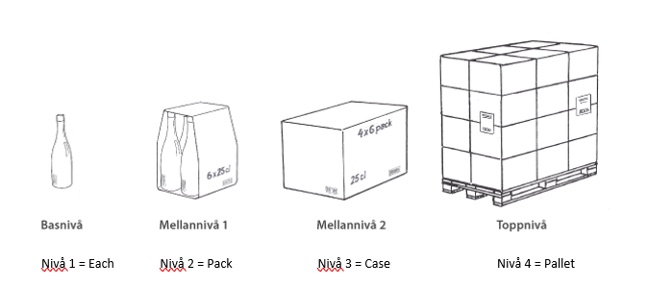
This template is used to register the packaging hierarchy for an item.
Each packaging level (Pack, Case, Pallet) must be entered as a separate row.

How to complete the template

1. Always start with Pack (the lowest level)
2. Then add Case (if applicable)
3. Lastly, add Pallet (if applicable)

Important:

Use a period (.) as the decimal separator, not a comma
Only fill in fields that are not marked as calculated
If a level does not exist (e.g. no Pallet), leave it completely blank

Example
Id | Package content | Packaging hierarchy - qty of lower level | Packaging type | Article gross weight | Depth | Height | Width | Net weight dangerous goods | GTIN
Calculated field | Insert the article GTIN at the first line | The qty of the lower level, not the total EACH qty | Register in the order Pack, Case, Pallet | The weight entered even with unit (g, kg, etc.) The decimal separator is a dot, not a comma. | The depth entered even with unit (mm, cm, etc.) The decimal separator is a dot, not a comma. | The height entered even with unit (mm, cm, etc.) The decimal separator is a dot, not a comma. | The width entered even with unit (mm, cm, etc.) The decimal separator is a dot, not a comma. | The term is used to account for the weight of the dangerous goods in grams or milliliters. | GTIN for the specific packaging level
7340160909304_Pack | 7340160909304 | 6 | Pack | 1.5 g |  |  |  |  | 19132533198614
7340160909304_Case | 7340160909304_Pack | 4 | Case | 3.15 g |  |  |  |  | 67709517173447
7340160909304_Pallet | 7340160909304_Case | 30 | Pallet | 111 g |  |  |  |  | 57778267786989

In thin case the article has 6 eaches in a pack
4 packs in a case (4*6=24 eaches)
30 case on a pallet (24*30=720 eaches)

