Measurement History
 |  | Missy to PLUS Conversion Chart

 |  | ANTHROPOLOGIE JUMPSUITS/ROMPERS/OVERALLS

 |  |  | MISSY 6/S SPEC | PLUS 20W/2X SPEC
 | POINT OF MEASURE (POM)
 | JUMPSUITS & ROMPERS FROM HPS
 | Shoulder Forward Seam from HPS @ Neck |  |  | 0.5
 | Front Raglan Seam or Front Yoke Seam from HPS |  |  | 1
 | Shoulder Slope Placement from CB |  |  | 0.75
 | Shoulder Slope from HPS @ Specified Location |  |  | 0
 | Shoulder Slope from HPS @ Armhole |  |  | 0
 | Front Neck Drop from HPS |  |  | 1
 | Back Neck Drop (under 3'') |  |  | 0.25
 | Back Neck Drop (over 3'' - 6") |  |  | 0.5
 | Back Neck Drop (over 6") |  |  | 1
 | Neck Width @ HPS |  |  | 1
 | Across Shoulder (For Missy Shoulder widths up to 20") |  |  | 1.5
 | Across Shoulder (For Missy Shoulder widths over 20") |  |  | 3.5
 | Across Chest Placement from HPS |  |  | 0.5
 | Across Chest (For Missy Shoulder widths up to 20") |  |  | 1.5
 | Across Chest (For Missy Shoulder widths over 20") |  |  | 3.5
 | Across Back Placement from HPS |  |  | 0.5
 | Across Back (For Missy Shoulder widths up to 20") |  |  | 1.5
 | Across Back (For Missy Shoulder widths over 20") |  |  | 3.5
 | Chest Width @ Armhole |  |  | 7
 | Empire Bodice Seam Placement from HPS @ CF |  |  | 2
 | Waist/ Waist Seam Placement from HPS @ CF |  |  | 3
 | Waist / Waist Seam Placement from HPS @ CB |  |  | 1.5
 | Width @ Waist (relaxed & extended) |  |  | 7
 | High Hip Placement From HPS |  |  | 3
 | High Hip Width (3 Point Measurement) |  |  | 7
 | Low Hip Placement From HPS |  |  | 3
 | Low Hip Width (3 Point Measurement) |  |  | 7
 | Thigh @ 1" Below Crotch |  |  | 4.5
 | Knee @ 11" Below Crotch |  |  | 3
 | Leg Opening (for Shorts) |  |  | 4.5
 | Leg Opening (narrow) |  |  | 1
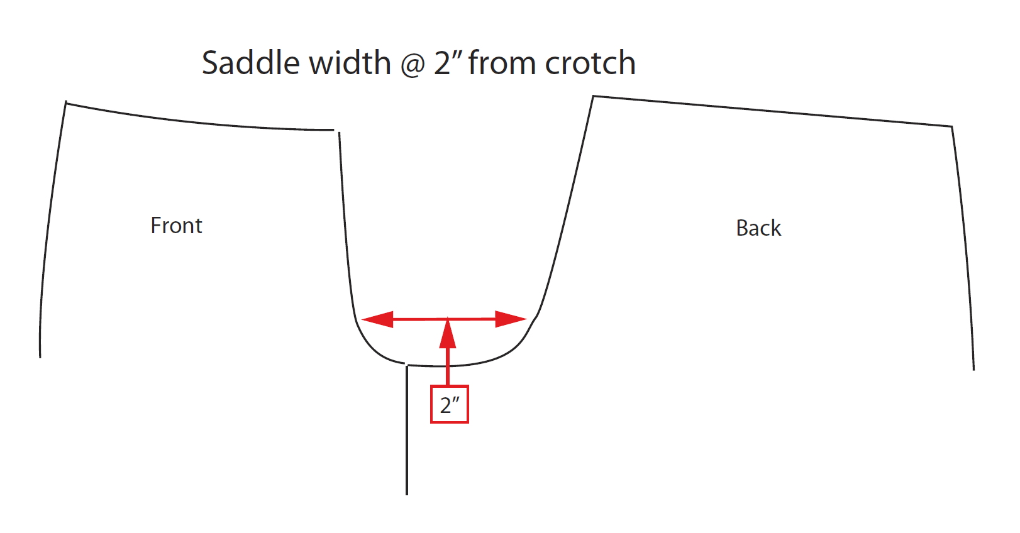
 | Leg Opening (bootcut) |  |  | 1.5
 | Leg Opening (for flare & wide legs) |  |  | 3
 | Front Rise From Top Waist |  |  | 1.5
 | Back Rise From Top Waist |  |  | 4.5
 | **FOR PLUS** Saddle Width @ 2" above Crotch Point (see image for How-to-Measure) |  |  | Spec = 9 1/2"
 | Inseam (for Inseams Under 6") |  |  | 1
 | Inseam (for Inseams 6"-12") |  |  | 0
 | Inseam (for Inseams Over 12") |  |  | -1
 | Armhole-Straight |  |  | 3
 | Armhole - Drop from HPS |  |  | 1.5
 | Sleeve Length from Armhole |  |  | 1
 | Sleeve Length from Neck Edge |  |  | 1.75
 | Sleeve Width @ 1" below AH |  |  | 3
 | Sleeve Width @ 13" from Shoulder |  |  | 2
 | Sleeve Width @ Opening (short) |  |  | 1
 | Sleeve Width @ Opening (3/4 length or elbow) |  |  | 2
 | Sleeve Width @ Opening (long) |  |  | 3

 | JUMPSUITS, ROMPERS & OVERALLS FROM TOP BODICE (BODICE POINTS)
 | Armhole - Drop from Top Bodice |  |  | 0.5
 | Front Neck Drop from Bodice Points |  |  | 0
 | Front Straps Apart |  |  | 1.5
 | Back Neck Drop from Bodice Points |  |  | 0
 | Back Straps Apart |  |  | 1.5
 | Chest Width @ Armhole |  |  | 7
 | Empire Bodice Seam from Placement from Top Bodice/Bodice Points |  |  | 2
 | Waist/ Waist Seam Placement from Top Bodice @ CF |  |  | 2
 | Waist / Waist Seam Placement from Back Neck Edge @ CB |  |  | 1
 | Width @ Waist |  |  | 7
 | High Hip Placement From Top Bodice |  |  | 2
 | High Hip Width (3 Point Measurement) |  |  | 7
 | Low Hip Placement From Top Bodice |  |  | 2
 | Low Hip Width (3 Point Measurement) |  |  | 7
 | Thigh @ 1" Below Crotch |  |  | 4.5
 | Knee @ 11" Below Crotch |  |  | 3
 | Leg Opening (for Shorts) |  |  | 4.5
 | Leg Opening (narrow) |  |  | 1
 | Leg Opening (bootcut) |  |  | 1.5
 | Leg Opening (for flare & wide legs) |  |  | 3
 | Front Rise From Top Waist |  |  | 1.5
 | Back Rise From Top Waist |  |  | 4.5
 | **FOR PLUS** Saddle Width @ 2" above Crotch Point (see image for How-to-Measure) |  |  | Spec = 9 1/2"
 | Inseam (for Inseams Under 6") |  |  | 1
 | Inseam (for Inseams 6"-12") |  |  | 0
 | Inseam (for Inseams Over 12") |  |  | -1
 | Strap Width |  |  | 0
 | Strap Length |  |  | 1.5

 | ***All styling and construction should be as standard missy size.

VENDOR MUST ADD GARMENT MEASUREMENTS TO TRADESTONE ON FIT EVAL PAGE. ALL GARMENTS MEASURED FLAT AND IN INCHES

