A3 Verkefni - Sniðmát (2)
Title: Improving blood gas sampling in the ICU | Date: | 2022-03-17 | Project team: Hallfríður Kristinsdóttir, Sigurbergur Kárason, Árni Már Haraldsson, Guðrún Jónsdóttir, Guðrún Þórunn Ingimundardóttir
Supervisor: Sigurbergur Kárason |  |  |  |  | Project lead (resident): Hallfríður Kristinsdóttir
Aim statement (What are we trying to accomplish?) |  |  | 1 | Meaures (How will we know a change is an improvement?) (list measures) |  |  |  | 4
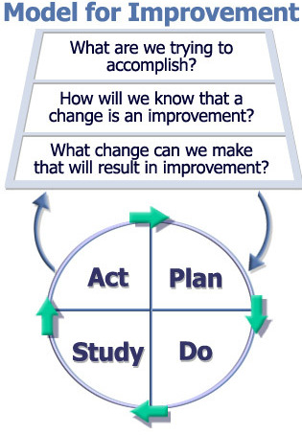
The ICU in Hringbraut wants to decrease the frequency of unnecessary blood gas sampling by reducing the total number of blood gases by 30%* before August 31st 2021. Excessive blood sampling exposes patients to anaemia and increases cost of care. Studies have shown that ICU patients may lose about one unit of blood per week due to blood sampling** but with simple interventions other ICUs have reduced their number of ABGs by about 30%*** without negative impact on patient outcome and safety. *Ef 5 ABGs/sj/d núna þá ætti að vera raunhæft að ná niður í 3-4/sj/d m.v. nokkrar aðrar rannsóknir sem væri þá lækkun um 20-40% ** https://journals.sagepub.com/doi/pdf/10.1177/175114370901000413 *** https://www.choosingwisely.org/wp-content/uploads/2018/08/UVMMC-Study-CO2-Monitoring.pdf , https://www.sciencedirect.com/science/article/pii/S0883944114004328?via%3Dihub , http://rc.rcjournal.com/content/65/Suppl_10/3435313 |  |  |  | Number of ABGs per patient per day Ratio of ABGs giving abnormal results vs total number/pt/d (ratio should decrease but total stay similar if unnecessary ABGs are reduced), eg. pH<7.25, pO2 <60, pCO2>50, lactate >3. - Was not assessed

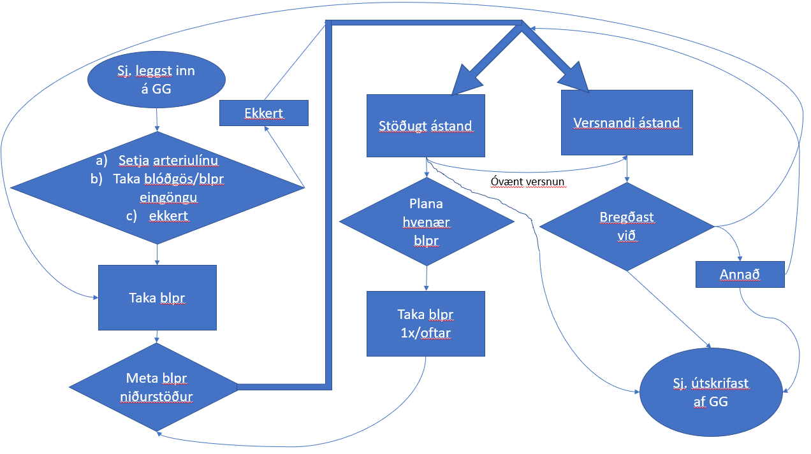
What process(es) are we trying to improve? (process map) |  |  | 2 | Action plan |  |  |  | 5
 |  |  |  | Action |  | By whom | Date | Status
 |  |  |  | Safna grunnuppl. um fjölda blóðgasa jan-feb |  | HK | 2021-03-05 | búið
 |  |  |  | Finna mælikvarða f. hvort blóðgösum fækki of mikið |  | HK+SK | 2021-05-07 | búið
 |  |  |  | Fá uppl um verð per blóðgas |  | SK | 2021-02-26 | búið
 |  |  |  | Lesa um ábendingar/viðmið f. blóðgasatökur |  | HK | 2021-05-07 | búið
 |  |  |  | Tala við hjfr á deildinni hvaða vandamál þau sjá |  | HK |  | mætti gera skipulegar
 |  |  |  | Skoða aðrar rannsóknir og ákvarða raunhæft markmið |  | HK | 2021-05-07 | búið
 |  |  |  | Hanna 1. inngrip (tékklisti f. ástæður blóðgasatöku) |  | HK+SK | 2021-05-12 | búið
 |  |  |  | Keyra 1. inngrip (tékklisti) |  | HK | 2021-06-01 | búið
 |  |  |  | Meta niðurstöður úr 1. inngr, sjá hvað slær helst út |  | HK | 2021-07-19 | búið
 |  |  |  | Fá niðurstöður frá rannsókn f. inngrip 1 tímabilið |  | HK+ranns | júlí | búið
 |  |  |  | Plana inngrip 2 út frá niðurstöðum úr inngr 1 |  | HK+SK | 2021-10-14 | búið
 |  |  |  | Búa til leiðbeiningar/flæðiskema f. ábendingar |  | HK | 2021-10-22 | búið
 |  |  |  | Kynna á gæðafundi gjörgæsludeildarinnar |  | HK | 2022-11-03 | búið
 |  |  |  | Keyra inngrip 2 |  | HK/ÁH/GJ/SK | 24.-30. jan | búið
 |  |  |  | Vinna úr niðurstöðum úr inngripi 2 |  | HK | Mar-22 | búið

Fjöldi slagæðablóðgös á sjúkling á dag fyrir og eftir inngrip
 | Fjöldi ABG/sj/d
Viðmiðunartími | 4.6
Inngrip 1 | 4.1
Inngrip 2 | 5.5
What change can we make that will result in improvement? (5 Why's/Fishbone diagram & change ideas) |  |  | 3 | Results (Run Chart) |  |  |  | 6
Fishbone: Environment: /// Personnel: Gefa ekki nógu skýr fyrirmæli um hvort/hvenær á að taka? Óvissa hvort/hvenær eigi að taka, betra að taka til öryggis? Vani frekar en til að svara ákv. sp?. Ekki að nota fyrirmælakerfi ef til? /// Patient: Alvarleg núverandi veikindi. Undirliggjandi veikindi með t.d. basline afbrigðilegum blpr? /// Policy: Vantar skýrari verkferil? Möguleiki á að plana rútínu ABGs x sinnum á d? /// Materials and equipment: Með arteriulínu -> frekar blóðgös. Ekki nógu hentugt fyrirmælakerfi? EtCO2/pox ekki notað nógu mikið eða ekki kalibrerað? Passa að taka ekki meira í glösin en þarf? /// |  |  |  | * Verð per blóðgas (út frá einingum): 4,241 kr.
 |  |  |  | * Fjöldi blóðgasa /sj/d í jan-feb (FYRIR inngrip): 4,58
 |  |  |  | * Inngrip 1: Algengasta ástæða töku blóðgasa = fylgja eftir óeðlilegum niðurstöðum fyrri blóðgasa (64/87) og þar af algengast K (49/64) og pO2 (35/64), næstalgengast "rútína "(31/87) og þriðja br. öndunarvélastillingar (15/87)

 |  |  |  | * Fjöldi blóðgasa/sj/d m/ inngripi 1: ca. 4,1 (lækkun um ~0,5)

 |  |  |  | * Fjöldi blóðgasa/sj/d m/ inngripi 2: ca. 5,5 (hækkun um ~1 frá grunngildi) (Vantaði 29.01. í gögn)

 |  |  |  | Implementation, follow up and lessons learned |  |  |  | 7
 |  |  |  | Mjög margir þættir spila inn í ákvörðun um töku blóðgasa og virðist erfitt að breyta fjölda með einföldum inngripum. Spurning hvort inngrip 1 hafi skilað meiri ávinningi þar sem starfsfólk þurfti þá frekar að hugsa aktíft af hverju þau voru að taka blóðgös en inngrip 2 var frekar passíft þó leiðbeiningarnar hafi verið skýrar, auk þess sem langur tími leið á milli. Svo eru gjörgæslusjúklingar fjölbreyttir og þarf ekki nema 1-2 sjúklinga sem fá mjög mörg eða mjög fá blóðgös til að skekkja niðurstöðurnar. Næstu skref væru að fara yfir niðurstöðurnar með hjúkrunarfræðingum deildarinnar, hvað var að virka vel með verkferilinn og hvað ekki og út frá því ákveða hvaða inngrip hentaði næst. Mögulega útbúa e.k. tilfellakennslu eða t.d. færa blóðgasasprautur lengra frá sjúklingum.

Example
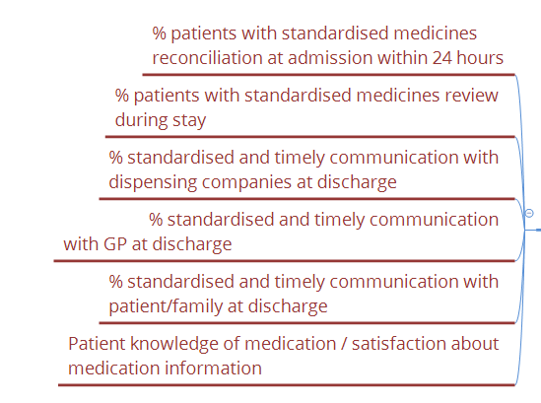
Title: Improving medication safety at discharge from hospital | Date: | 2021-01-19 | Project team: Anna Björg Jónsdóttir, Geriatrics Specialist Dagdeild (Lead), Helga Kristinsdóttir (clinical pharmacist), Hlynnur Grímsson (GP resident), Bryndís Guðjónsdóttir (Nurse, Dagdeild)
Owner: Transitions of Care & Polypharmacy Workstream (WHO Medication Without Harm) |  |  |  |  | Project Manager: Amelia Samuel
Aim statement (What are we trying to accomplish?) |  |  | 1 | Meaures (How will we know a change is an improvement?) (list measures) |  |  |  | 4
There is lack of standadisation and clear processes relating to medication review and information from admission to Dagdeild, Landakot through to discharge. It is difficult to get correct information at the start and we can't be sure that the information is accurate. At discharge, we don't have closed loop communication with the GP, home care and dispensaries. We run into problems when there are medication changes. Patients may not be getting clear and understandable information about what medications they are taking, especially high risk medications. We aim to make improvements in 5 stages: 1. To improve the quality of medicines reconciliation at admission to the Dagdeild for at least 80% of patients from level 1 (low quality) to 3 (high quality) by April 2021. After which time, we will test similar solutions in 2 or 3 other departments and if ready, scale up across Landspítali and then other healthcare providers. Following stages are: 2. structured medication review during the patient's stay, 3. good quality medicines reconciliation at discharge, 4. better communication with patients about their medications at discharge and 5. better communication with GPs. |  |  |  | Stage 1: Improving medicines reconciliation at admission - Quality of medicines reconciliation at admission (rate from 0 - 3)

 |  |  |  | Action plan |  |  |  | 5
 |  |  |  | Action |  | By whom | Date | Status
 |  |  |  | Implement PDSA 1 |  | ABJ | 2021-11-30 | complete
What process(es) are we trying to improve? (process map) |  |  | 2 | Discuss learning from PDSA 1 |  | ABJ / AS | 2021-12-09 | complete
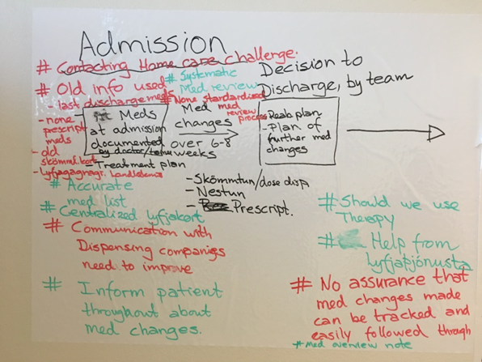 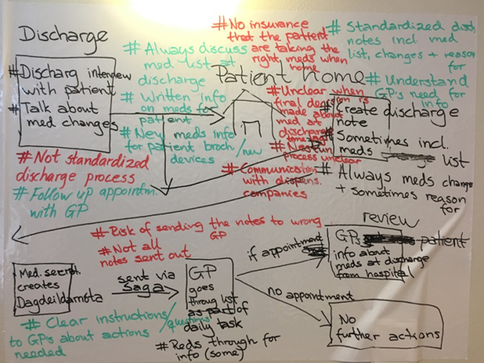 Stage 1: improving medicines reconciliation at admission |  |  |  | Discuss with junior doctor ideas and learning from PDSA 1 |  | AS | 2021-12-15 | complete
 |  |  |  | Plan what to do for PDSA 2 |  | ABJ / AS | 2021-12-20 | complete
 |  |  |  | Design checklist template to guide documentation (for PDSA 2) |  | ABJ / HK | 2021-12-23 | complete
 |  |  |  | Check with HUT possibility of developing template on Heilsugátt for PDSA 2 |  | AS | 2021-01-10 | complete
 |  |  |  | Meet secretaries to discuss how to get more patients to bring their medications with them |  | AS | 2021-01-18 | complete
 |  |  |  | Set date for PDSA 2 to go live (request sent to IT on 18.01) |  | ABJ/AS | 2021-01-15 | In progress
 |  |  |  | PDSA 3 recommended - set date. |  | ABJ/AS/Guðlaug | 2021-01-22 | In progress

Learnings:
- PDSA 1 taught us that the checklist as a poster is not an effective way to promote change in behaviour and doctors are not routinely documenting when they have obtained information from >1 source. It also taught us that the quality of medication reconciliation is better when the patient brings their medication with them.
- PDSA 2 will be a template of the checklist programmed into Saga to prompt the doctor to use it and document the outcome of the consultation with the patient in a structured way.
- PDSA 3 will be to inform all patients in the Dagdeild and göngudeild on the phone 1 day before their appointments to bring their medications, instructions about what to bring and emphasise importance of this.
What change can we make that will result in improvement? (5 Why's/Fishbone diagram & change ideas) |  |  | 3 | Results (Run Chart) |  |  |  | 6
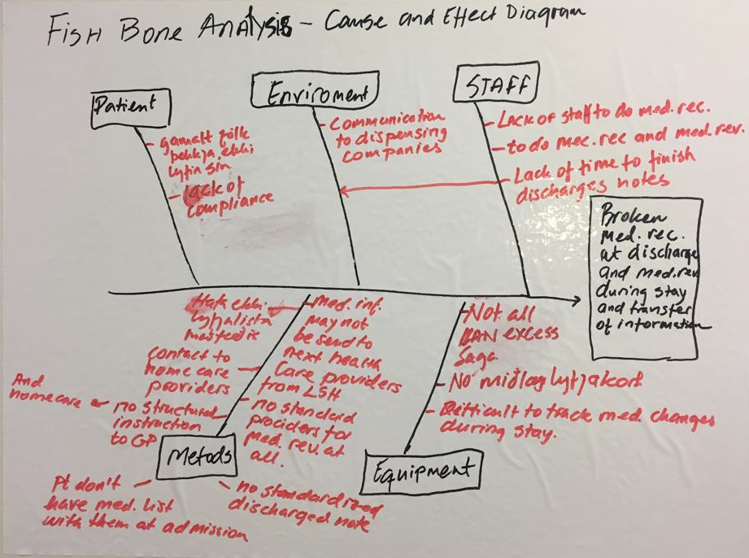 Stage 1: improving medicines reconciliation at admission 1) Checklist to improve quality of medicines reconciliation at admission. 2) Strategies to improve patients bringing their medications with them to their appointments. |  |  |  | 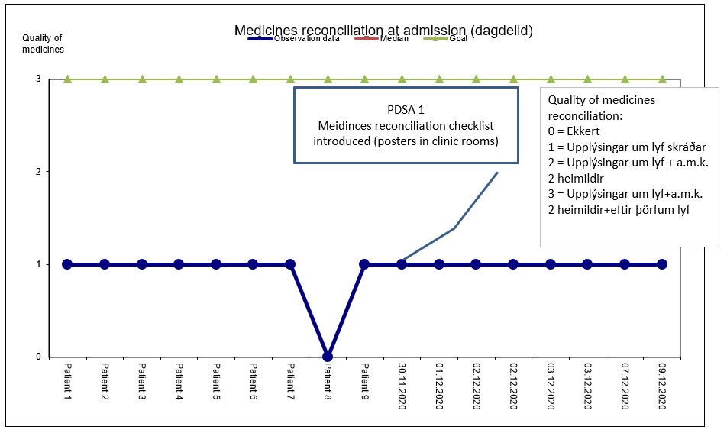

 |  |  |  | Implementation, follow up and lessons learned |  |  |  | 7

