Data Example
 |  | Chromium Connect | Doc | CG000466
 |  | 32 Library Pooling Workbook | Rev | A

Enter data in the "Library Info Input" tab
 | Refer to data entry rules on "Readme" tab.

Click on "Import Pool Data" button

Review data in appropriate "Library Pool" tab
 | Refer to data entry rules on "Readme" tab and at the top of the "Library Pool" tab.

Data automatically appear in "Summary Sheet" tab

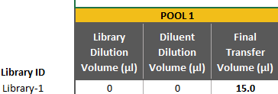
Click on "Export Data to CSV" button on the "Summary" tab

