Cargo Statistics

Amsterdam Airport Schiphol
Cargo Statistics

Cargo Transport (in Tonnes)

 | June 2026 | June 2025 | Compared to 2025 | Jan - Jun 2026 | Jan - Jun 2026 | Compared to 2025
Cargo (tonnes) | 130,401 | 104,195 | +25.2% | 757,051 | 688,482 | +10.0%
Inbound | 69,428 | 56,381 | +23.1% | 409,960 | 361,549 | +13.4%
of which:
Europe | 5,122 | 4,818 | +6.3% | 30,383 | 26,445 | +14.9%
North America | 8,303 | 6,544 | +26.9% | 48,063 | 50,739 | -5.3%
Latin America | 8,136 | 5,794 | +40.4% | 55,372 | 40,491 | +36.8%
Africa | 6,185 | 4,903 | +26.1% | 39,252 | 39,876 | -1.6%
Middle East | 10,379 | 9,907 | +4.8% | 57,419 | 56,188 | +2.2%
Far East | 31,303 | 24,414 | +28.2% | 179,471 | 147,709 | +21.5%

 | June 2026 | June 2025 | Compared to 2025 | Jan - Jun 2026 | Jan - Jun 2026 | Compared to 2025
Cargo (tonnes) | 130,401 | 104,195 | +25.2% | 757,051 | 688,482 | +10.0%
Outbound | 60,973 | 47,814 | +27.5% | 347,091 | 326,933 | +6.2%
of which:
Europe | 6,591 | 5,536 | +19.1% | 37,782 | 34,272 | +10.2%
North America | 13,306 | 10,225 | +30.1% | 74,065 | 68,610 | +8.0%
Latin America | 4,826 | 3,540 | +36.3% | 26,871 | 28,296 | -5.0%
Africa | 3,581 | 2,186 | +63.8% | 19,627 | 15,426 | +27.2%
Middle East | 9,034 | 9,111 | -0.9% | 51,065 | 57,848 | -11.7%
Far East | 23,636 | 17,215 | +37.3% | 137,681 | 122,481 | +12.4%



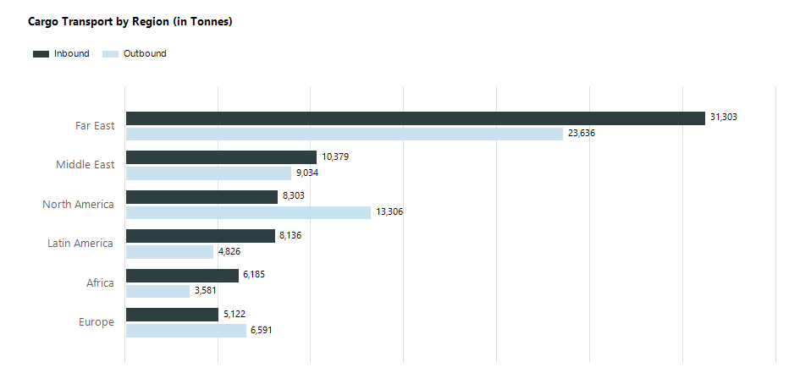

Air Transport Movements Full Freighter Services

 | June 2026 | June 2025 | Compared to 2025 | Jan - Jun 2026 | Jan - Jun 2026 | Compared to 2025
Full Freighters | 1,369 | 1,215 | +12.7% | 8,160 | 7,534 | +8.3%



Average MTOW Full Freighter Aircraft (in Tonnes)

 | June 2026 | June 2025 | Compared to 2025
Average MTOW | 328 | 325 | +0.7%

