Cargo Statistics

Amsterdam Airport Schiphol
Cargo Statistics

Cargo Transport (in Tonnes)

 | July 2026 | July 2025 | Compared to 2025 | Jan - Jul 2026 | Jan - Jul 2026 | Compared to 2025
Cargo (tonnes) | 128,019 | 114,608 | +11.7% | 885,070 | 803,090 | +10.2%
Inbound | 65,646 | 60,780 | +8.0% | 475,607 | 422,329 | +12.6%
of which:
Europe | 5,007 | 4,848 | +3.3% | 35,389 | 31,358 | +12.9%
North America | 8,460 | 7,970 | +6.1% | 56,523 | 58,786 | -3.9%
Latin America | 8,441 | 6,455 | +30.8% | 63,813 | 46,868 | +36.2%
Africa | 5,537 | 4,998 | +10.8% | 44,789 | 45,721 | -2.0%
Middle East | 10,486 | 11,420 | -8.2% | 67,906 | 67,016 | +1.3%
Far East | 27,716 | 25,088 | +10.5% | 207,187 | 172,477 | +20.1%

 | July 2026 | July 2025 | Compared to 2025 | Jan - Jul 2026 | Jan - Jul 2026 | Compared to 2025
Cargo (tonnes) | 128,019 | 114,608 | +11.7% | 885,070 | 803,090 | +10.2%
Outbound | 62,373 | 53,828 | +15.9% | 409,464 | 380,762 | +7.5%
of which:
Europe | 7,008 | 6,567 | +6.7% | 44,789 | 40,545 | +10.5%
North America | 13,602 | 11,403 | +19.3% | 87,667 | 79,650 | +10.1%
Latin America | 5,166 | 4,015 | +28.7% | 32,037 | 32,674 | -1.9%
Africa | 3,011 | 2,187 | +37.7% | 22,638 | 17,613 | +28.5%
Middle East | 9,890 | 10,802 | -8.4% | 60,955 | 68,482 | -11.0%
Far East | 23,696 | 18,854 | +25.7% | 161,377 | 141,797 | +13.8%



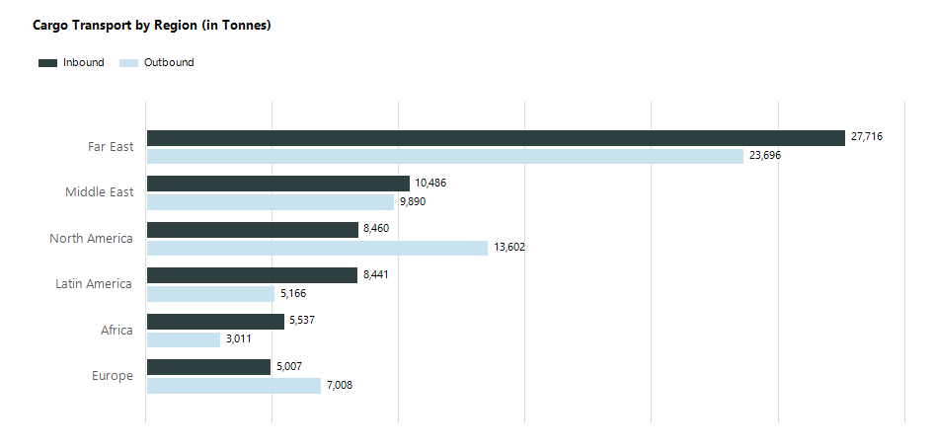

Air Transport Movements Full Freighter Services

 | July 2026 | July 2025 | Compared to 2025 | Jan - Jul 2026 | Jan - Jul 2026 | Compared to 2025
Full Freighters | 1,321 | 1,250 | +5.7% | 9,481 | 8,784 | +7.9%



Average MTOW Full Freighter Aircraft (in Tonnes)

 | July 2026 | July 2025 | Compared to 2025
Average MTOW | 327 | 326 | +0.3%

