Creative Specs Reference Guide
Requirements & What to Provide KPM

Ad Type | Creative Specs | Copy Specs | Best Practices | What to Provide to KPM
Image | · 1:1 (square) | · Primary Text: 90 characters recommended | Do not include a retailer call- out in the copy | · Minimum of 2 creative units (minimum of 2 ads as a best practice)
 | · Recommend 1080 x 1080 pixels | · Headline: 40 characters |  | · Copy for primary text, headline, description, CTA button
 |  | · Description: 30 characters |  | · Where the ad should be directing to
 |  |  |  | · Link to downloaded aspect ratio template
Video | · 1:1 (square) | · Primary Text: 90 characters recommended | Do not include a retailer call- out in the copy | · Minimum of 2 creative units (minimum of 2 ads as a best practice)
 | · Recommend 1080 x 1080 pixels | · Headline: 40 characters |  | · Copy for primary text, headline, description, CTA button
 |  | · Description: 30 characters |  | · Where the ad should be directing to
 |  |  |  | · Link to downloaded aspect ratio template
Carousel | · Both image & video: 1:1 (square) | · Primary Text: 90 characters recommended | Do not include a retailer call- out in the copy | · Minimum of 2 creative units (minimum of 2 ads as a best practice)
 | · 2-10 images per carousel | · Headline: 40 characters |  | · All images involved in each carousel
 | · Recommend 1080 x 1080 pixels | · Description: 30 characters |  | · Copy for primary text, headline, description, CTA button
 |  |  |  | · Where the ad should be directing to
 |  |  |  | · Link to downloaded aspect ratio template
Story | · 9:16 | · Not recommended |  | · Minimum of 2 creative units (minimum of 2 ads as a best practice)
 | · Recommend 1080 x 1080 pixels |  |  | · CTA button
 | · Consider leaving roughly 14% (250 pixels) of the top and bottom of the video free from text and logos to avoid covering these key elements with the call-to-action. |  |  | · Where the ad should be directing to
 |  |  |  | · Link to downloaded aspect ratio template
Collection | · Both image & video: 1:1 (square) | · Primary Text: 90 characters recommended (Up to 125) | Do not include a retailer call- out in the copy | · Maximum of 1 Collection Ad (either an Image or Video)
 | · Recommend 1080 x 1080 pixels | · Headline: 25 characters (Up to 40) |  | · Copy for primary text and headline · CTA (Only for Video)
 |  |  |  | · Where the ad should be directing to
 |  |  |  | · 20-2,000 UPCs Required (Recommend minimum of 20) for all Collection Ads
 |  |  |  | · Link to downloaded aspect ratio template
Creative Examples Below

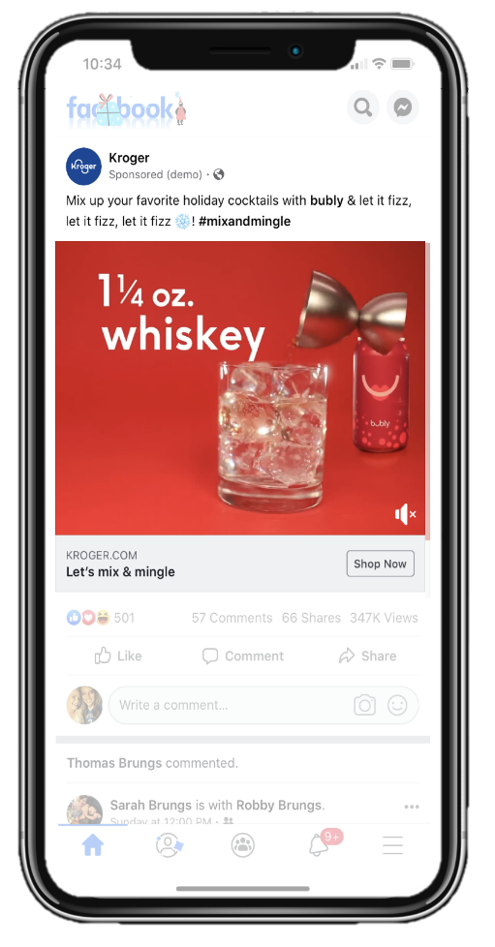
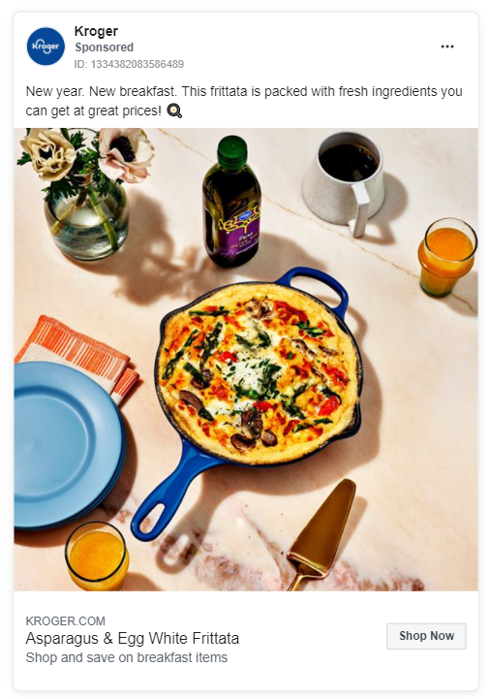
Call To Action
(CTA)
Link Description
Headline
Text

 |  |  |  | Image Creative Example

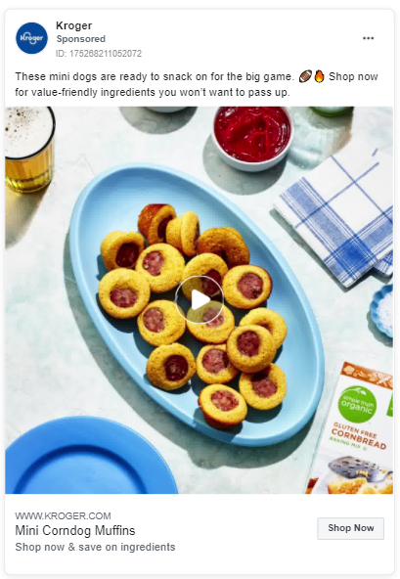
Call To Action
(CTA)
Link Description
Headline
Text

 |  |  |  | Video Creative Example

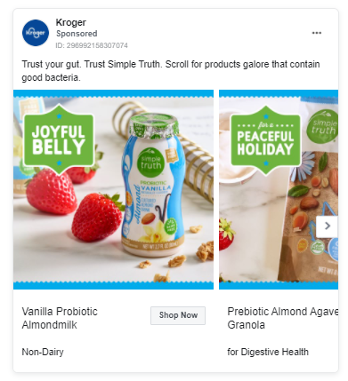
Call To Action
(CTA)
Link Description
Headline
Text

 |  |  |  | Carousel Creative Example

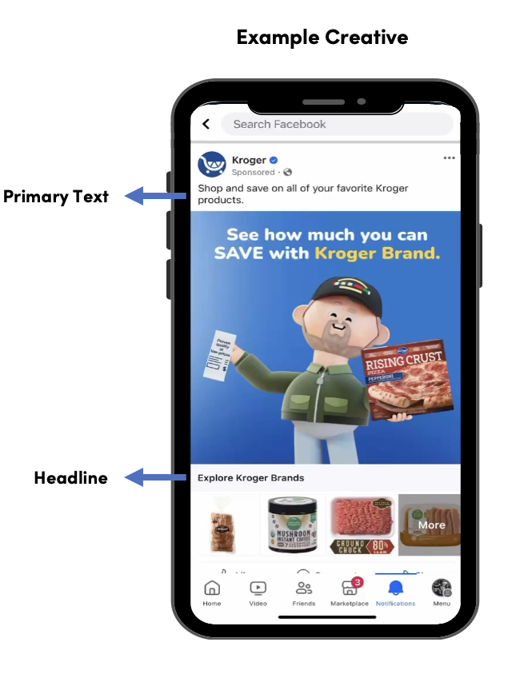

 |  |  |  | Collection Creative Example

Image Ad(s)
 |  |  |  |  |  | Example Creative

Call To Action
(CTA)
Link Description
Headline
Text
Ad Creative 1

File/Creative Name | Asset | Description | Requirements | Insert Text | Character Count
Insert File Name Here | Text | Located above the image to describe brand/product. Please include an @ if you intend for the mentioned brand to be tagged. For example: @Pepsi will allow a clickable link to their brand page. Pepsi will not. | 90 characters strongly recommended (Maximum 125 characters) |  | 0
 | Headline | The headline that displays under the creative. | 25 characters strongly recommended (Maximum 40 characters) |  | 0
 | Link Description | Text that alludes to your click thru experience, underneath the headline. | Maximum 30 characters |  | 0
 | Call to Action | Recommended Meta CTAs: Awareness: Learn more, Shop now Consideration: Learn more, Shop now, Get offer (Recommend for Coupon only) (Above are recommendations, there are more options available by KPI. Please work with your KPM team if wanting an option not shown in the dropdown.) | Please choose from drop down on the right | Get offer (Consideration Only)
 | Emojis | If you have included an emoji in any of the text, please follow these instructions | Step 1 - Include your emoji in your text above in brackets to indicate emoji insertion. For example: [Snowflake Emoji] Step 2 - Find your emojis on Emojipedia.com and include their URL in the box to the right so ensure correct emoji usage

Ad Creative 2

File/Creative Name | Asset | Description | Requirements | Insert Text | Character Count
Insert File Name Here | Text | Located above the image to describe brand/product. Please include an @ if you intend for the mentioned brand to be tagged. For example: @Pepsi will allow a clickable link to their brand page. Pepsi will not. | 90 characters strongly recommended (Maximum 125 characters) |  | 0
 | Headline | The headline that displays under the creative. | 25 characters strongly recommended (Maximum 40 characters) |  | 0
 | Link Description | Text that alludes to your click thru experience, underneath the headline. | Maximum 30 characters |  | 0
 | Call to Action | Recommended Meta CTAs: Awareness: Learn more, Shop now Consideration: Learn more, Shop now, Get offer (Recommend for Coupon only) (Above are recommendations, there are more options available by KPI. Please work with your KPM team if wanting an option not shown in the dropdown.) | Please choose from drop down on the right
 | Emojis | If you have included an emoji in any of the text, please follow these instructions | Step 1 - Include your emoji in your text above in brackets to indicate emoji insertion. For example: [Snowflake Emoji] Step 2 - Find your emojis on Emojipedia.com and include their URL in the box to the right so ensure correct emoji usage

Video Ad(s)
 |  |  |  |  |  | Example Creative

Call To Action
(CTA)
Link Description
Headline
Text
Ad Creative 1

File/Creative Name | Asset | Description | Requirements | Insert Text | Character Count
Insert File Name Here | Text | Located above the image to describe brand/product. Please include an @ if you intend for the mentioned brand to be tagged. For example: @Pepsi will allow a clickable link to their brand page. Pepsi will not. | 90 characters strongly recommended (Maximum 125 characters) |  | 0
 | Headline | The headline that displays under the creative. | 25 characters strongly recommended (Maximum 40 characters) |  | 0
 | Link Description | Text that alludes to your click thru experience, underneath the headline. | Maximum 30 characters |  | 0
 | Call to Action | Recommended Meta CTAs: Awareness: Learn more, Shop now Consideration: Learn more, Shop now, Get offer (Recommend for Coupon only) (Above are recommendations, there are more options available by KPI. Please work with your KPM team if wanting an option not shown in the dropdown.) | Please choose from drop down on the right
 | Emojis | If you have included an emoji in any of the text, please follow these instructions | Step 1 - Include your emoji in your text above in brackets to indicate emoji insertion. For example: [Snowflake Emoji] Step 2 - Find your emojis on Emojipedia.com and include their URL in the box to the right so ensure correct emoji usage

Ad Creative 2

File/Creative Name | Asset | Description | Requirements | Insert Text | Character Count
Insert File Name Here | Text | Located above the image to describe brand/product. Please include an @ if you intend for the mentioned brand to be tagged. For example: @Pepsi will allow a clickable link to their brand page. Pepsi will not. | 90 characters strongly recommended (Maximum 125 characters) |  | 0
 | Headline | The headline that displays under the creative. | 25 characters strongly recommended (Maximum 40 characters) |  | 0
 | Link Description | Text that alludes to your click thru experience, underneath the headline. | Maximum 30 characters |  | 0
 | Call to Action | Recommended Meta CTAs: Awareness: Learn more, Shop now Consideration: Learn more, Shop now, Get offer (Recommend for Coupon only) (Above are recommendations, there are more options available by KPI. Please work with your KPM team if wanting an option not shown in the dropdown.) | Please choose from drop down on the right
 | Emojis | If you have included an emoji in any of the text, please follow these instructions | Step 1 - Include your emoji in your text above in brackets to indicate emoji insertion. For example: [Snowflake Emoji] Step 2 - Find your emojis on Emojipedia.com and include their URL in the box to the right so ensure correct emoji usage

Carousel Ad(s)
 |  |  |  |  |  |  |  |  |  |  |  |  | Example Creative

Call To Action
(CTA)
Link Description
Headline
Text

Ad Creative 1

Asset | Description | Requirements | Insert Text
Text | Located above the image to describe brand/product. Please include an @ if you intend for the mentioned brand to be tagged. For example: @Pepsi will allow a clickable link to their brand page. Pepsi will not. | 90 characters strongly recommended (Maximum 125 characters)
File/Creative Name | Please include exact image file name | 2-10 images allowed if running stand alone Carousel Max 5 images if running Carousel with Stories (Min of 3 to run on Facebook Stories) | Image/Video 1 | Image/Video 2 | Image/Video 3 | Image/Video 4 | Image/Video 5 | Image/Video 6 | Image/Video 7 | Image/Video 8 | Image/Video 9 | Image/Video 10
 |  |  | Insert File Name Here | Insert File Name Here | Insert File Name Here | Insert File Name Here | Insert File Name Here | Insert File Name Here | Insert File Name Here | Insert File Name Here | Insert File Name Here | Insert File Name Here
Headline | The headline that displays under the creative. (Ability to have different headlines unique to each image) | 25 characters strongly recommended (Maximum 32 characters)
 |  |  | 0 | 0 | 0 | 0 | 0 | 0 | 0 | 0 | 0 | 0
Link Description | Text that alludes to your click thru experience, underneath the headline. (Ability to have different descriptions unique to each image) | Maximum 18 characters
 |  |  | 0 | 0 | 0 | 0 | 0 | 0 | 0 | 0 | 0 | 0
Call to Action | Recommended Meta CTAs: Awareness: Learn more, Shop now Consideration: Learn more, Shop now, Get offer (Recommend for Coupon only) (Above are recommendations, there are more options available by KPI. Please work with your KPM team if wanting an option not shown in the dropdown.) | Please choose from drop down on the right
Emojis | If you have included an emoji in any of the text, please follow these instructions | Step 1 - Include your emoji in your text above in brackets to indicate emoji insertion. For example: [Snowflake Emoji] Step 2 - Find your emojis on Emojipedia.com and include their URL in the box to the right so ensure correct emoji usage

Ad Creative 2

Asset | Description | Requirements | Insert Text
Text | Located above the image to describe brand/product. Please include an @ if you intend for the mentioned brand to be tagged. For example: @Pepsi will allow a clickable link to their brand page. Pepsi will not. | 90 characters strongly recommended (Maximum 125 characters)
File/Creative Name | Please include exact image file name | 2-10 images allowed if running stand alone Carousel Max 5 images if running Carousel with Stories (Min of 3 to run on Facebook Stories) | Image/Video 1 | Image/Video 2 | Image/Video 3 | Image/Video 4 | Image/Video 5 | Image/Video 6 | Image/Video 7 | Image/Video 8 | Image/Video 9 | Image/Video 10
 |  |  | Insert File Name Here | Insert File Name Here | Insert File Name Here | Insert File Name Here | Insert File Name Here | Insert File Name Here | Insert File Name Here | Insert File Name Here | Insert File Name Here | Insert File Name Here
Headline | The headline that displays under the creative. (Ability to have different headlines unique to each image) | 25 characters strongly recommended (Maximum 32 characters)
 |  |  | 0 | 0 | 0 | 0 | 0 | 0 | 0 | 0 | 0 | 0
Link Description | Text that alludes to your click thru experience, underneath the headline. (Ability to have different descriptions unique to each image) | Maximum 18 characters
 |  |  | 0 | 0 | 0 | 0 | 0 | 0 | 0 | 0 | 0 | 0
Call to Action | Recommended Meta CTAs: Awareness: Learn more, Shop now Consideration: Learn more, Shop now, Get offer (Recommend for Coupon only) (Above are recommendations, there are more options available by KPI. Please work with your KPM team if wanting an option not shown in the dropdown.) | Please choose from drop down on the right
Emojis | If you have included an emoji in any of the text, please follow these instructions | Step 1 - Include your emoji in your text above in brackets to indicate emoji insertion. For example: [Snowflake Emoji] Step 2 - Find your emojis on Emojipedia.com and include their URL in the box to the right so ensure correct emoji usage

Product Carousel Ad(s)
 |  |  |  |  |  | Example Creative

Ad Creative 1
Call To Action
(CTA)
Headline
(Product Name)
Primary
Text
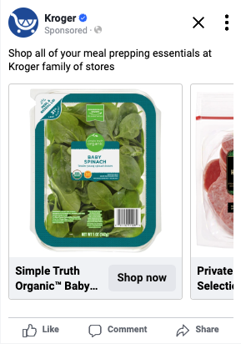
File/Creative Name | Asset | Description | Requirements | Insert Text | Character Count
Insert File Name Here | Primary Text | Located above the image to describe brand/product. Please include an @ if you intend for the mentioned brand to be tagged. For example: @Pepsi will allow a clickable link to their brand page. Pepsi will not. | 90 characters strongly recommended (Maximum 125 characters) |  | 0
 | Call to Action | Recommended Meta CTAs: Awareness: Learn more, Shop now Consideration: Learn more, Shop now, Get offer (Recommend for Coupon only) (Above are recommendations, there are more options available by KPI. Please work with your KPM team if wanting an option not shown in the dropdown.) | Please choose from drop down on the right
 | Emojis | If you have included an emoji in any of the text, please follow these instructions | Step 1 - Include your emoji in your text above in brackets to indicate emoji insertion. For example: [Snowflake Emoji] Step 2 - Find your emojis on Emojipedia.com and include their URL in the box to the right so ensure correct emoji usage

Ad Creative 2

File/Creative Name | Asset | Description | Requirements | Insert Text | Character Count
Insert File Name Here | Primary Text | Located above the image to describe brand/product. Please include an @ if you intend for the mentioned brand to be tagged. For example: @Pepsi will allow a clickable link to their brand page. Pepsi will not. | 90 characters strongly recommended (Maximum 125 characters) |  | 0
 | Call to Action | Recommended Meta CTAs: Awareness: Learn more, Shop now Consideration: Learn more, Shop now, Get offer (Recommend for Coupon only) (Above are recommendations, there are more options available by KPI. Please work with your KPM team if wanting an option not shown in the dropdown.) | Please choose from drop down on the right
 | Emojis | If you have included an emoji in any of the text, please follow these instructions | Step 1 - Include your emoji in your text above in brackets to indicate emoji insertion. For example: [Snowflake Emoji] Step 2 - Find your emojis on Emojipedia.com and include their URL in the box to the right so ensure correct emoji usage

