1
Gambling Commission
Gambling participation: activities and mode of access - February 2020

1
 | Gambling participation in the past four weeks
The following charts represent gambling participation across all survey respondents during the previous four weeks. In order to minimise sample volatility, all the data contained within this report are shown as annual figures by aggregating the results for the four quarterly surveys for each year. The charts show all gambling participation, online gambling participation, all gambling (excluding those playing only National Lottery draws) participation and online gambling (excluding those playing only National Lottery draws) participation. Previous years data has been included in order to provide an initial indication of changes in rates of participation.

Proportion of respondents participating in at least one form of gambling in the past four weeks by gender and age |  |  |  |  |  |  |  |  |  |  |  | Proportion of respondents participating in at least one form of gambling in the past four weeks by gender and age, excluding those only playing National Lottery draw products

 |  |  | All Respondents | Males | Females | 16-24 year olds | 25-34 year olds | 35-44 year olds | 45-54 year olds | 55-64 year olds | 65+ year olds |  |  |  | All Respondents | Males | Females | 16-24 year olds | 25-34 year olds | 35-44 year olds | 45-54 year olds | 55-64 year olds | 65+ year olds
 | Year to Dec 2015 | % | 44.8 | 49.1 | 40.7 | 32.8 | 38.3 | 44.1 | 53.5 | 51.6 | 45.3 |  | Year to Dec 2015 | % | 27.3 | 30.2 | 24.6 | 28.9 | 27.1 | 25.5 | 30.5 | 27.9 | 24.9
 | Year to Dec 2016 | % | 48.4 | 52.6 | 44.3 | 38.1 | 48.3 | 49.2 | 52.6 | 52.7 | 48.4 |  | Year to Dec 2016 | % | 33.2 | 36.5 | 30.1 | 34.8 | 38.6 | 33.5 | 31.3 | 32.0 | 29.9
 | Year to Dec 2017 | % | 44.8 | 48.4 | 41.4 | 35.0 | 47.7 | 43.2 | 47.8 | 50.3 | 44.6 |  | Year to Dec 2017 | % | 31.1 | 33.7 | 28.5 | 32.4 | 37.8 | 29.1 | 28.6 | 30.4 | 28.8
 | Year to Dec 2018 | % | 45.8 | 50.8 | 40.9 | 36.1 | 45.9 | 43.9 | 52.3 | 55.0 | 42.2 |  | Year to Dec 2018 | % | 32.1 | 36.9 | 27.5 | 34.6 | 39.6 | 32.2 | 32.1 | 32.0 | 24.5
 | Year to Dec 2019 | % | 47.2 | 51.0 | 43.5 | 40.4 | 48.7 | 50.5 | 52.8 | 48.4 | 41.9 |  | Year to Dec 2019 | % | 32.5 | 35.6 | 29.5 | 38.2 | 40.5 | 35.3 | 32.0 | 27.2 | 25.5
 |  |  |  |  |  |  |  | † |  | †
Proportion of respondents participating in at least one form of online gambling in the past four weeks by gender and age |  |  |  |  |  |  |  |  |  |  |  | Proportion of respondents participating in online gambling in the past four weeks, excluding those only playing National Lottery draw products

 |  |  | All Respondents | Males | Females | 16-24 year olds | 25-34 year olds | 35-44 year olds | 45-54 year olds | 55-64 year olds | 65+ year olds |  |  |  | All Respondents | Males | Females | 16-24 year olds | 25-34 year olds | 35-44 year olds | 45-54 year olds | 55-64 year olds | 65+ year olds
 | Year to Dec 2015 | % | 14.5 | 17.9 | 11.3 | 8.5 | 16.2 | 20.8 | 21.0 | 13.9 | 7.0 |  | Year to Dec 2015 | % | 9.3 | 11.8 | 7.0 | 8.1 | 11.0 | 12.9 | 12.6 | 7.9 | 4.3
 | Year to Dec 2016 | % | 17.3 | 21.3 | 13.5 | 15.7 | 20.5 | 21.5 | 19.6 | 16.5 | 11.3 |  | Year to Dec 2016 | % | 12.8 | 16.1 | 9.6 | 14.7 | 16.1 | 15.1 | 13.4 | 10.6 | 8.1
 | Year to Dec 2017 | % | 18.3 | 21.4 | 15.4 | 13.6 | 24.4 | 22.6 | 18.6 | 20.6 | 11.6 |  | Year to Dec 2017 | % | 13.6 | 16.3 | 11.0 | 11.9 | 20.3 | 14.8 | 12.6 | 14.5 | 8.5
 | Year to Dec 2018 | % | 18.5 | 22.5 | 14.5 | 12.2 | 23.1 | 22.0 | 22.0 | 22.7 | 10.6 |  | Year to Dec 2018 | % | 14.4 | 17.7 | 11.2 | 11.9 | 20.3 | 17.1 | 15.4 | 16.5 | 7.3
 | Year to Dec 2019 | % | 21.1 | 25.0 | 17.3 | 17.1 | 24.7 | 28.2 | 25.7 | 19.6 | 12.7 |  | Year to Dec 2019 | % | 16.6 | 19.5 | 14.0 | 16.9 | 21.4 | 22.0 | 18.2 | 14.7 | 9.3
 |  |  | † |  | † | † |  | † |  |  |  |  |  |  | † |  | † | † |  | †

 | Sample size for Year to December 2019 |  | 4003 | 1961 | 2042 | 444 | 550 | 717 | 739 | 642 | 911

Notes on the data in this section:
a In March 2016 the sample was broadened to include participants aged 16+
† Statistically significant change from Year to Dec 2018 at the 95% level

2
Gambling Commission
Gambling participation: activities and mode of access - February 2020

2
 | Past four week participation in each activity
The table below provides the percentage of respondents reporting participating in each gambling activity in the previous four weeks. In order to minimise sample volatility, all the data contained within this report are shown as annual figures by aggregating the results for the four quarterly surveys for each year.

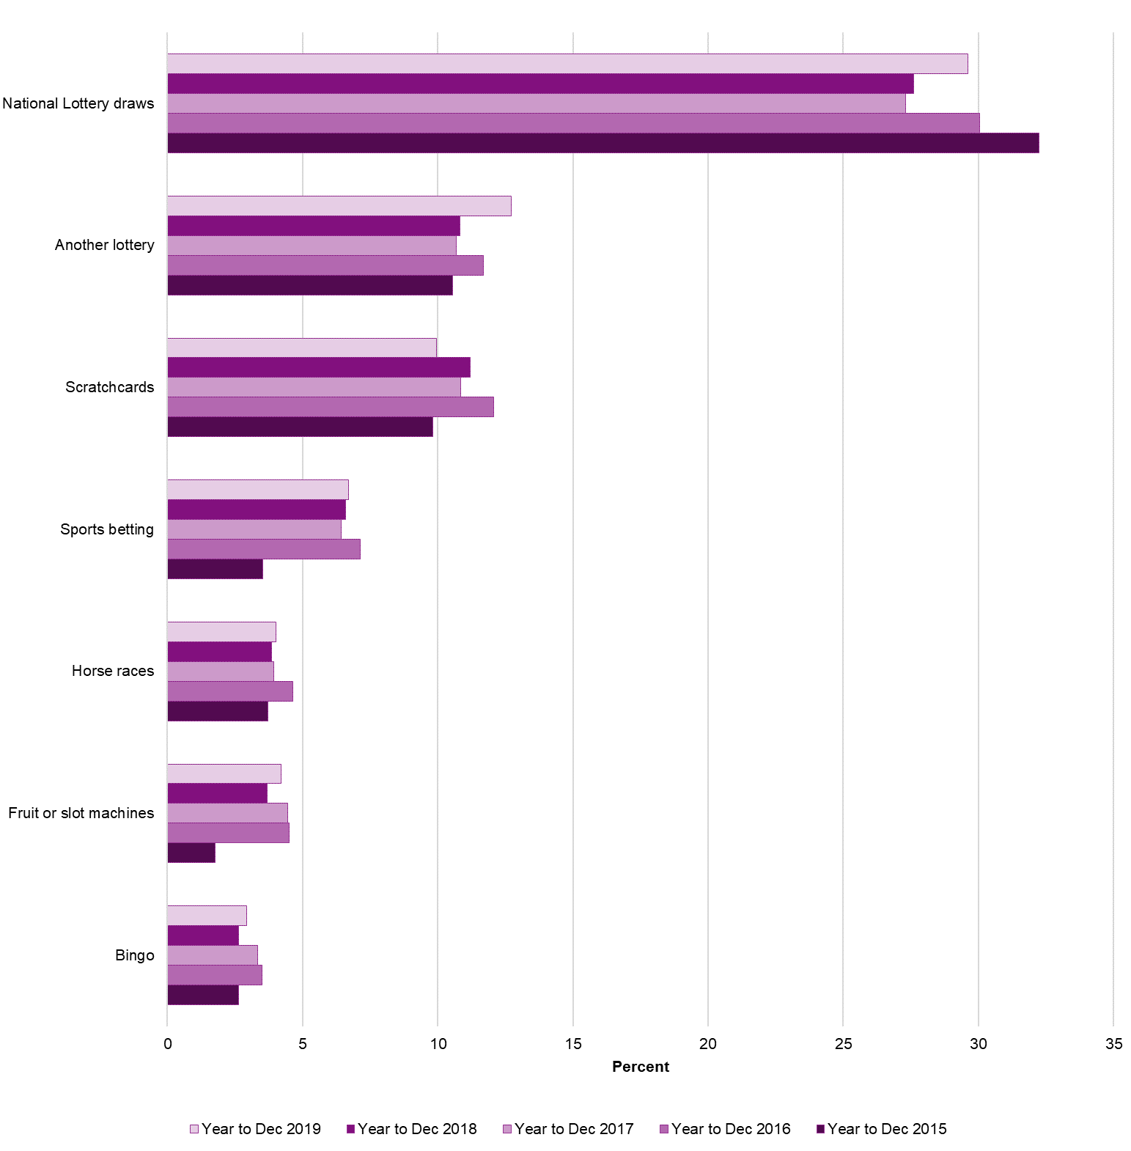
Proportion of respondents gambling in the past four weeks by type of gambling activity |  |  |  |  |  |  |  |  | Proportion of respondents gambling in the past four weeks by most popular types of gambling activity
Gambling activity |  |  | Year to Dec 2015 | Year to Dec 2016 | Year to Dec 2017 | Year to Dec 2018 | Year to Dec 2019
National Lottery draws |  | % | 32.3 | 30.0 | 27.3 | 27.6 | 29.6 | †
Lotto |  | % | - | - | - | - | 20.9
EuroMillions |  | % | - | - | - | - | 20.2
Thunderball |  | % | - | - | - | - | 3.0
Lotto/EuroMillions Hotpicks |  | % | - | - | - | - | 1.2
Scratchcards |  | % | 9.8 | 12.1 | 10.9 | 11.2 | 9.9
National Lottery scratchcards |  | % | - | - | - | - | 9.2
Other lottery scratchcards |  | % | - | - | - | - | 1.7
Another lottery |  | % | 10.5 | 11.7 | 10.7 | 10.8 | 12.7 | †
Fruit or slot machinesa |  | % | 1.8 | 4.5 | 4.4 | 3.7 | 4.2
In pubs |  | % | - | 2.7 | 2.4 | 1.8 | 2.2
In gaming centres / arcades |  | % | - | 2.0 | 2.2 | 2.1 | 2.1
In casinos |  | % | - | 0.9 | 0.9 | 0.9 | 0.6
In bingo halls |  | % | - | 0.5 | 0.7 | 0.2 | 0.5 | †
Virtual gaming machines in a bookmakers |  | % | 1.0 | 1.5 | 1.4 | 1.5 | 0.8 | †
Bingob |  | % | 2.6 | 3.5 | 3.3 | 2.6 | 2.9
Football pools |  | % | 2.1 | 1.8 | 1.4 | 1.4 | 1.7
Horse racesc |  | % | 3.7 | 4.6 | 3.9 | 3.8 | 4.0
Dog racesc |  | % | 0.7 | 1.1 | 1.1 | 0.8 | 0.7
Sports bettingcd |  | % | 3.5 | 7.1 | 6.4 | 6.6 | 6.7
Football |  | % | - | 6.4 | 5.3 | 5.7 | 5.8
Tennis |  | % | - | 0.4 | 0.3 | 0.3 | 0.4
Other sports |  | % | - | 2.0 | 2.6 | 2.3 | 2.7
Betting on other eventsc |  | % | 0.6 | 0.9 | 0.5 | 1.0 | 1.4
The outcome of lotteries |  | % | - | - | - | - | 0.6
Political events |  | % | - | - | - | - | 0.4
Other events |  | % | - | - | - | - | 0.5
Virtual dog or horse races |  | % | 0.3 | 0.4 | 0.4 | 0.3 | 0.4
Spread betting |  | % | 0.2 | 0.2 | 0.3 | 0.3 | 0.3
Online slot machine style games / instant wins |  | % | 0.6 | 1.7 | 1.2 | 1.2 | 3.1 | †
National Lottery Online Instant Wins |  | % | - | - | - | - | 2.2
Other Instant Wins |  | % | - | - | - | - | 1.2
Casino gamese |  | % | 1.1 | 2.3 | 1.6 | 1.6 | 1.5
Poker at a pub / club |  | % | 0.4 | 0.6 | 0.4 | 0.8 | 0.5
Private betting |  | % | 3.5 | 6.0 | 4.4 | 6.1 | 5.6
Any other activity |  | % | 0.3 | 0.6 | 0.5 | 0.9 | 0.8
Any online bettingf |  | % | 3.0 | 5.4 | 5.6 | 5.6 | 6.4
Any online gamblingg |  | % | 14.5 | 17.3 | 18.3 | 18.4 | 21.1 | †
Any gambling activity |  | % | 44.8 | 48.4 | 44.8 | 45.8 | 47.2

Sample Size for Year to December 2019
All activities (adults aged 16+)
4003

Notes on the data in this section:
Respondents give multiple responses where they participate in more than one activity.
Figures are rounded to one decimal place.
* In June 2016 a mobile boost was applied to the sample to ensure a more representative split of landline and mobile-only households and to avoid response bias. In light of similar findings in the 2016 annual report it is thought that the shortfall of mobile sample prior to this change resulted in the under-reporting of data, particularly in online gambling rates and participation in virtual gaming machines in a bookmakers.
† Statistically significant change from Year to Dec 2018 at the 95% level
a In March 2016 this was expanded to cover all locations, with separate options for pubs, gaming centres / arcades, casinos and bingo halls. Participation is reported by each location and has been combined to continue the existing trend.
b Includes bingo played at a club or online.
c Includes bets made online, by telephone, or in person, with a bookmaker or a betting exchange.
d In March 2016 this option was expanded, with separate options for betting on football, betting on tennis, and betting on other sports. Participation is reported by the new categories and has been combined to continue the existing trend.
e Includes casino games played in a casino or online.
f Includes Betting on horse races, betting on dog races, sports betting, or betting on other events.
g Includes online play in any activity.
h In December 2017 this option was expanded, with separate options for National Lottery online instant wins and other instant wins. Participation is reported by the new categories and has been combined to continue the existing trend.
i In March 2017 this option was expanded, with separate options for betting on the outcome of lotteries and betting on political events. Participation is reported by the new categories and has been combined to continue the existing trend.
j In December 2017 a supplementary question was added, asked of those who have participated in National Lottery draws, to ascertain which National Lottery draw based games they had played. Data for 'Set for Life' is not currently included due to 12 months worth of data not being available.

3
Gambling Commission
Gambling participation: activities and mode of access - February 2020

3
 | How people gamble
The tables in this section displays mode of gambling amongst respondents who had participated in each activity in the past four weeks. Both tables include respondents who had participated both in person and online, therefore combined percentages may add to more than 100%. The chart breaks down these figures further to seperate those respondents that participated in activities both online and in-person for the latest year.

Online participation in the past four weeks by activity |  |  |  |  |  |  |  |  |  | In person participation in the past four weeks by activity
Activity |  |  | Year to Dec 2015 | Year to Dec 2016 | Year to Dec 2017 | Year to Dec 2018 | Year to Dec 2019 |  |  | Activity |  |  | Year to Dec 2015 | Year to Dec 2016 | Year to Dec 2017 | Year to Dec 2018 | Year to Dec 2019
National Lottery draws |  | % | 27.7 | 28.0 | 32.5 | 30.7 | 35.5 | † |  | National Lottery draws |  | % | 79.4 | 78.7 | 75.8 | 75.2 | 72.8
Another lottery |  | % | 34.5 | 38.4 | 42.4 | 46.6 | 49.6 |  |  | Another lottery |  | % | 68.6 | 63.5 | 59.4 | 56.0 | 52.8
Bingoa |  | % | 25.0 | 20.4 | 39.8 | 33.9 | 24.2 |  |  | Bingoa |  | % | 78.5 | 85.1 | 70.6 | 69.0 | 80.9
Football pools |  | % | 46.5 | 55.6 | 55.8 | 55.7 | 55.2 |  |  | Football pools |  | % | 67.7 | 58.0 | 58.2 | 63.0 | 50.0
Horse racesb |  | % | 37.9 | 48.8 | 45.2 | 54.5 | 60.7 |  |  | Horse racesb |  | % | 64.1 | 65.7 | 68.9 | 64.2 | 49.2 | †
Dog racesb |  | % | [18.8] | 37.3 | 38.0 | 47.8 | [50.8] |  |  | Dog racesb |  | % | [81.2] | 76.9 | 78.0 | 79.5 | [51.6] | †
Sports bettingbc |  | % | 65.3 | 67.0 | 72.5 | 72.8 | 81.3 | † |  | Sports bettingb |  | % | 36.1 | 45.9 | 37.5 | 39.8 | 27.4 | †
Football |  | % | - | 65.1 | 71.3 | 67.2 | 83.1 | † |  | Football |  | % | - | 46.2 | 39.0 | 44.5 | 26.4 | †
Tennis |  | % | - | [87.3] | [85.9] | [74.9] | [83.0] |  |  | Tennis |  | % | - | [17.3] | [19.1] | [25.1] | [27.7]
Other sports |  | % | - | 78.6 | 81.0 | 74.7 | 80.0 |  |  | Other sports |  | % | - | 30.7 | 26.8 | 34.0 | 22.0
Betting on other eventsb |  | % | [57.4] | 62.7 | 71.5 | 50.4 | 57.7 |  |  | Betting on other eventsb |  | % | [42.6] | 42.3 | 32.6 | 54.3 | 52.8
The outcome of lotteries |  | % |  |  |  |  | [24.1] |  |  | The outcome of lotteries |  | % |  |  |  |  | [82.9]
Political events |  | % |  |  |  |  | [68.7] |  |  | Political events |  | % |  |  |  |  | [31.3]
Other events |  | % |  |  |  |  | [88.5] |  |  | Other events |  | % |  |  |  |  | [25.5]
Virtual dog or horse races |  | % | [36.5] | [45.9] | [55.3] | [45.5] | [65.1] |  |  | Virtual dog or horse races |  | % | [63.5] | [64.4] | [69.2] | [66.0] | [34.9]
Spread betting |  | % | [100] | [85.3] | [73.3] | [92.8] | [88.8] |  |  | Spread betting |  | % | - | [14.7] | [31.4] | [40.0] | [11.2]
Casino gamesd |  | % | 55.5 | 62.6 | 67.5 | 59.3 | 73.6 |  |  | Casino gamesc |  | % | 66.1 | 61.4 | 57.5 | 61.7 | 46.9

Participation by mode of access for those participating in each activity

Sample Size for Year to December 2019
National Lottery draws | Another lottery | Bingo | Football pools | Horse races | Dog races | Sports betting | Football | Tennis | Other sports | Betting on other events | The outcome of lotteries |  |  | Political events | Other events | Virtual dog or horse races
1191 | 513 | 103 | 60 | 152 | 26 | 256 | 219 | 15 | 104 | 51 | 20 |  |  | 18 | 18 | 15
Spread betting | Casino games
9 | 57

Notes on the data in this section:
a The definition of bingo includes games played at a club or online.
b Betting can include those bets made online, by telephone, or in person, with a bookmaker or a betting exchange.
c The definition of casino games includes those games played in a casino or online.
- No observations (zero values)
[ ] Estimates in square brackets warn of small base sizes (less than 30)
† Statistically significant change from Year to Dec 2018 at the 95% level
Products with small base sizes (< 30) are not included in the chart.

4
Gambling Commission
Gambling participation: activities and mode of access - February 2020

4
 |  |  | Gambling involvement
The charts below demonstrate the frequency of all gambling activities amongst past four week gamblers and betting only activities amongst past four week bettors.

Frequency of gambling amongst past four week gamblers |  |  |  |  |  |  | Frequency of betting amongst past four week bettors

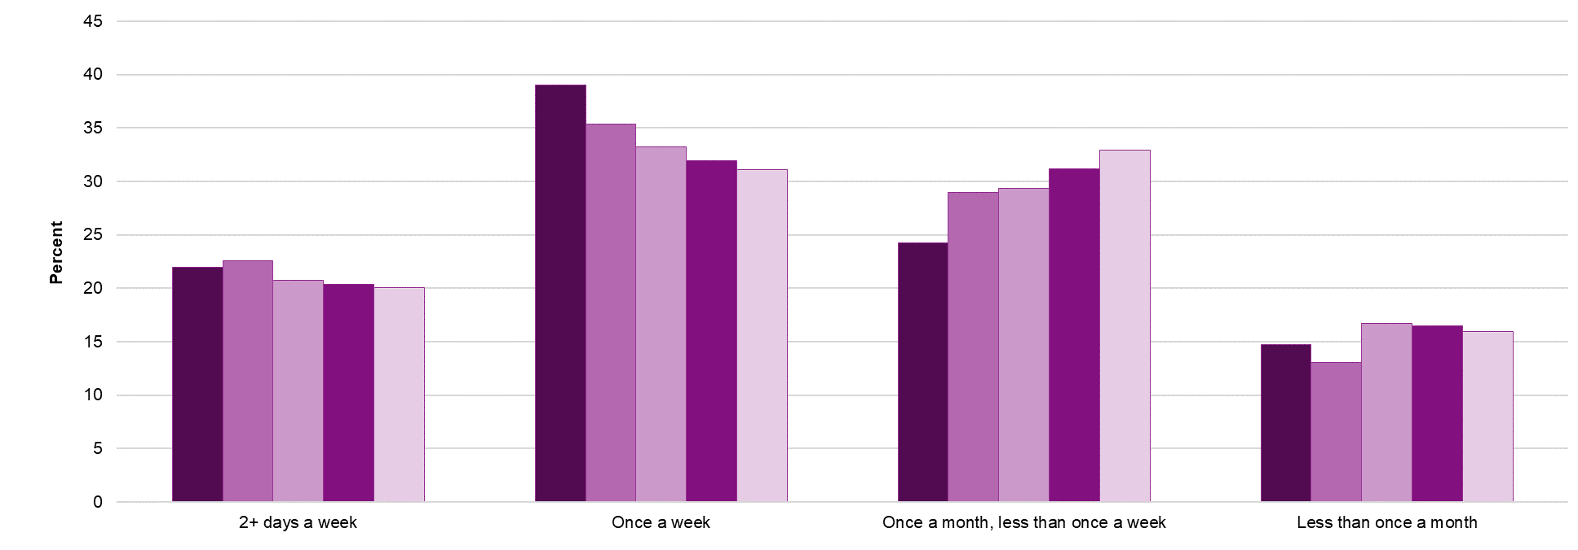
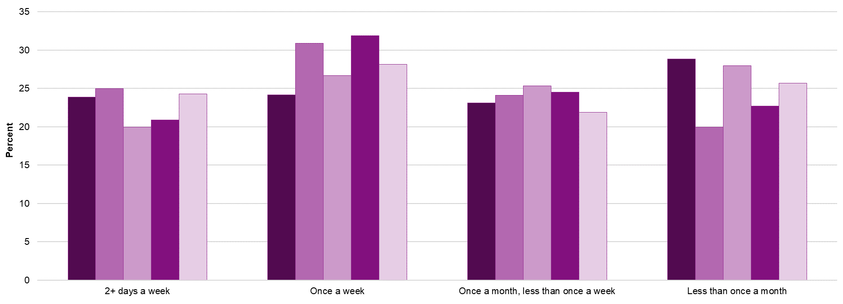

 |  |  | 2+ days a week | Once a week | Once a month, less than once a week | Less than once a month |  |  | 2+ days a week | Once a week | Once a month, less than once a week | Less than once a month
 | Year to Dec 2015 | % | 22.0 | 39.0 | 24.3 | 14.7 | Year to Dec 2015 | % | 23.9 | 24.2 | 23.1 | 28.8
 | Year to Dec 2016 | % | 22.6 | 35.3 | 29.0 | 13.1 | Year to Dec 2016 | % | 25.0 | 30.9 | 24.1 | 20.0
 | Year to Dec 2017 | % | 20.7 | 33.2 | 29.4 | 16.7 | Year to Dec 2017 | % | 20.0 | 26.7 | 25.3 | 28.0
 | Year to Dec 2018 | % | 20.4 | 32.0 | 31.2 | 16.5 | Year to Dec 2018 | % | 20.9 | 31.9 | 24.5 | 22.7
 | Year to Dec 2019 | % | 20.0 | 31.1 | 32.9 | 16.0 | Year to Dec 2019 | % | 24.3 | 28.1 | 21.9 | 25.7

Sample Sizes for Year to December 2019
Past four week gamblers |  |  | Past four week bettors
1860 |  |  | 349

Notes on the data in this section:
a Betting on horse races, betting on dog races, sports betting, or betting on other events.
† Statistically significant change from Year to Dec 2018 at the 95% level

5
Gambling Commission
Gambling participation: activities and mode of access - February 2020

5
 | Problem gambling (according to the PGSI mini-screen)
As with all data contained within this publication rates of problem gambling are based on survey estimates and therefore have confidence intervals around the observed estimate within which the true rate is likely to fall. As such, changes significant at the 95% level are marked with a †.

Problem gambling rates (according to the short-form PGSI) by gender and age |  |  |  |  |  |  |  |  |  |  | Moderate risk gambling rates (according to the short-form PGSI) by gender and age

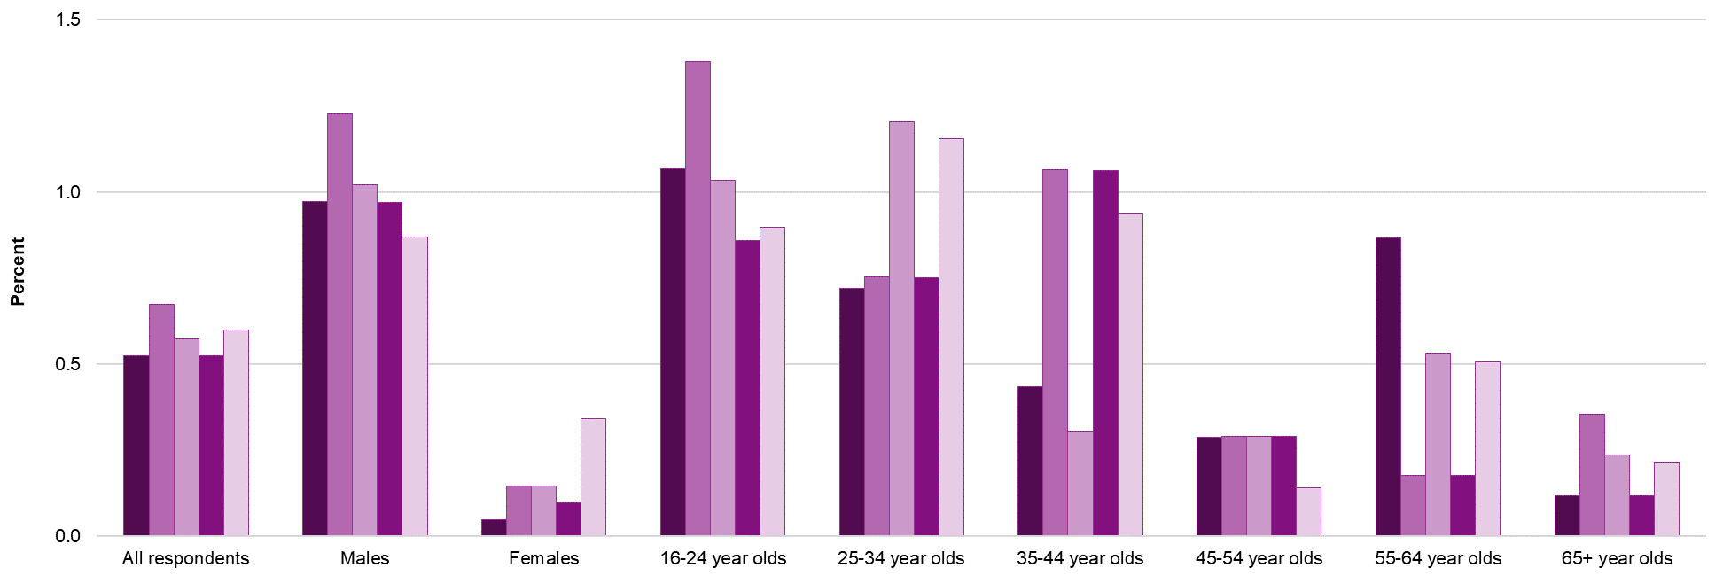

 |  | All Respondents | Males | Females | 16-24 year olds | 25-34 year olds | 35-44 year olds | 45-54 year olds | 55-64 year olds | 65+ year olds |  |  | All Respondents | Males | Females | 16-24 year olds | 25-34 year olds | 35-44 year olds | 45-54 year olds | 55-64 year olds | 65+ year olds
Year to Dec 2015 | % | 0.5 | 1.0 | 0.0 | 1.1 | 0.7 | 0.4 | 0.3 | 0.9 | 0.1 | Year to Dec 2015 | % | 0.8 | 1.4 | 0.3 | 0.6 | 1.5 | 0.9 | 0.4 | 1.4 | 0.3
Year to Dec 2016 | % | 0.7 | 1.2 | 0.1 | 1.4 | 0.8 | 1.1 | 0.3 | 0.2 | 0.4 | Year to Dec 2016 | % | 1.8 | 2.5 | 1.2 | 1.9 | 3.3 | 2.1 | 1.6 | 1.6 | 0.7
Year to Dec 2017 | % | 0.6 | 1.0 | 0.1 | 1.0 | 1.2 | 0.3 | 0.3 | 0.5 | 0.2 | Year to Dec 2017 | % | 1.9 | 2.8 | 1.2 | 2.1 | 3.8 | 3.2 | 1.0 | 1.1 | 0.8
Year to Dec 2018 | % | 0.5 | 1.0 | 0.1 | 0.9 | 0.8 | 1.1 | 0.3 | 0.2 | 0.1 | Year to Dec 2018 | % | 1.5 | 2.2 | 0.8 | 1.5 | 3.5 | 1.4 | 0.9 | 0.9 | 0.9
Year to Dec 2019 | % | 0.6 | 0.9 | 0.3 | 0.9 | 1.2 | 0.9 | 0.1 | 0.5 | 0.2 | Year to Dec 2019 | % | 1.2 | 1.7 | 0.6 | 3.4 | 1.0 | 1.7 | 1.3 | 0.5 | 0.3
 |  |  |  |  |  |  |  |  |  |  |  |  |  |  |  |  | †

Low risk gambling rates (according to the short-form PGSI) by gender and age

 |  | All Respondents | Males | Females | 16-24 year olds | 25-34 year olds | 35-44 year olds | 45-54 year olds | 55-64 year olds | 65+ year olds
Year to Dec 2015 | % | 1.4 | 1.8 | 1.0 | 2.1 | 2.4 | 1.5 | 1.4 | 0.7 | 0.3
Year to Dec 2016 | % | 3.7 | 5.2 | 2.3 | 6.0 | 6.2 | 3.2 | 3.8 | 1.6 | 2.0
Year to Dec 2017 | % | 3.2 | 3.9 | 2.5 | 5.2 | 5.6 | 2.0 | 3.2 | 1.8 | 2.1
Year to Dec 2018 | % | 3.3 | 4.2 | 2.5 | 4.8 | 6.6 | 3.8 | 1.9 | 2.1 | 1.3
Year to Dec 2019 | % | 2.7 | 3.2 | 2.3 | 6.3 | 5.2 | 2.5 | 2.0 | 0.8 | 1.2
 |  |  |  |  |  |  |  |  | †
Sample size for Year to Dec 2019 |  | 4003 | 1961 | 2042 | 444 | 550 | 717 | 739 | 642 | 911

Notes on the data in this section:
a In March 2016 the sample was broadened to include participants aged 16+
Problem gambling status has been defined using the short-form Problem Gambling Severity Index (PGSI) (Volberg, 2012), which was developed from the full 9-item PGSI. This instrument is formed of three questions, which are scored on a 4-point scale from never to almost always, asked to all participants who have gambled at least once in the last 12 months. Responses are scored from 0 - 3 resulting in a total possible score of 9. Respondents are then categorised by their total score, as follows:
0 Non-problem gambler Gamblers who gamble with no negative consequences.
1 Low-risk gambler Gamblers who experience a low level of problems with few or no identified negative consequences.
2-3 Moderate risk gambler Gamblers who experience a moderate level of problems leading to some negative consequences.
4+ Problem gambler Gambling with negative consequences and a possible loss of control.
These scores have been analysed to provide overall problem gambling rates as well as by gender and age. Due to small base sizes rates split by age and gender should be treated with caution. As advised following the development of the short-form PGSI, it has not been used to report or track changes in any further sociodemographic characteristics or gambling behaviour.
- No observations (zero values)
† Statistically significant change from Year to Dec 2018 at the 95% level

6
Gambling Commission
Gambling participation: activities and mode of access - February 2020

 | 6
 |  | Appendix 1: Confidence levels and sample sizes

Populus interviewed the following random samples of adults (16+) by telephone. Interviews were conducted across the country and the results have been weighted to the profile of all adults.

Based on 50% normal distributionb

 |  |  | Year to Dec 2015 |  | Year to Dec 2016 |  | Year to Dec 2017 |  | Year to Dec 2018 |  | Year to Dec 2019

Group |  |  | Sample size | Maximum margin of error at 95% confidence level | Sample size | Maximum margin of error at 95% confidence level | Sample size | Maximum margin of error at 95% confidence level | Sample size | Maximum margin of error at 95% confidence level | Sample size | Maximum margin of error at 95% confidence level

All respondents |  |  | 4,004 | +/- 1.55% | 4,001 | +/- 1.55% | 4,001 | +/- 1.55% | 4,009 | +/- 1.55% | 4,003 | +/- 1.55%
Males |  |  | 1,908 | +/- 2.24% | 1,976 | +/- 2.20% | 2,056 | +/- 2.16% | 1,940 | +/- 2.22% | 1,961 | +/- 2.21%
Females |  |  | 2,096 | +/- 2.14% | 2,025 | +/- 2.18% | 1,945 | +/- 2.22% | 2,069 | +/- 2.15% | 2,042 | +/- 2.17%
16-24 year oldsa |  |  | 406 | +/- 4.86% | 461 | +/- 4.56% | 479 | +/- 4.48% | 443 | +/- 4.66% | 444 | +/- 4.65%
25-34 year olds |  |  | 632 | +/- 3.90% | 630 | +/- 3.90% | 602 | +/- 3.99% | 544 | +/- 4.20% | 550 | +/- 4.18%
35-44 year olds |  |  | 795 | +/- 3.48% | 703 | +/- 3.70% | 641 | +/- 3.87% | 640 | +/- 3.87% | 717 | +/- 3.66%
45-54 year olds |  |  | 777 | +/- 3.52% | 727 | +/- 3.63% | 736 | +/- 3.61% | 772 | +/- 3.53% | 739 | +/- 3.60%
55-64 year olds |  |  | 560 | +/- 4.14% | 630 | +/- 3.90% | 653 | +/- 3.83% | 677 | +/- 3.77% | 642 | +/- 3.87%
65+ year olds |  |  | 833 | +/- 3.40% | 850 | +/- 3.36% | 890 | +/- 3.28% | 933 | +/- 3.21% | 911 | +/- 3.25%

Based on problem gambling rates (according to the PGSI mini-screen)c

 |  |  | Year to Dec 2015 |  | Year to Dec 2016 |  | Year to Dec 2017 |  | Year to Dec 2018 |  | Year to Dec 2019

Group |  |  | Sample size | Maximum margin of error at 95% confidence level | Sample size | Maximum margin of error at 95% confidence level | Sample size | Maximum margin of error at 95% confidence level | Sample size | Maximum margin of error at 95% confidence level | Sample size | Maximum margin of error at 95% confidence level

All respondents |  |  | 4,003 | +/- 0.22% | 4,001 | +/- 0.26% | 4,001 | +/- 0.24% | 4,009 | +/- 0.22% | 4,003 | +/- 0.24%
Males |  |  | 1,956 | +/- 0.44% | 1,976 | +/- 0.48% | 2,056 | +/- 0.43% | 1,940 | +/- 0.44% | 1,961 | +/- 0.42%
Females |  |  | 2,047 | - | 2,025 | +/- 0.14% | 1,945 | +/- 0.14% | 2,069 | +/- 0.14% | 2,042 | +/- 0.24%
16-24 year oldsa |  |  | 472 | +/- 0.94% | 461 | +/- 1.07% | 479 | +/- 0.89% | 443 | +/- 0.88% | 444 | +/- 0.88%
25-34 year olds |  |  | 666 | +/- 0.63% | 630 | +/- 0.70% | 602 | +/- 0.87% | 544 | +/- 0.75% | 550 | +/- 0.91%
35-44 year olds |  |  | 709 | +/- 0.46% | 703 | +/- 0.77% | 641 | +/- 0.42% | 640 | +/- 0.81% | 717 | +/- 0.69%
45-54 year olds |  |  | 696 | +/- 0.41% | 727 | +/- 0.40% | 736 | +/- 0.40% | 772 | +/- 0.39% | 739 | +/- 0.23%
55-64 year olds |  |  | 588 | +/- 0.76% | 630 | +/- 0.35% | 653 | +/- 0.54% | 677 | +/- 0.34% | 642 | +/- 0.55%
65+ year olds |  |  | 869 | +/- 0.21% | 850 | +/- 0.42% | 890 | +/- 0.29% | 933 | +/- 0.20% | 911 | +/- 0.29%

Notes:
a In March 2016 the sample was broadened to include participants aged 16+; previously those aged 18+ were included
b This assumes the maximum margin of error for a figure of 50%
c This displays the maximum margin of error for the observed problem gambling figures reported in tab 5
- No observations (zero values)

