Directions
Directions: Work-Based Learning Tracker Tab
On the WBL Tracker Tab, add the Title of the Activity in Column A. This title will automaticaly be added to Column E1, etc on the Student Participation Tab
 | Work-Based Learning Tracker
Purpose
This tracking spreadsheet can be used to track work-based learning and other college and career readiness activities across an academy. In addition to tracking activities, you can also track student participation in each activity. Follow the directions below for detailed instructions on using each of the tracking spreadsheets. Use the visuals to the right to further help understand how to use both tracking spreadsheets.
Note: Ideally tracking WBL activities and student participation should be done in NAF's WBL Participation Tracker which can be accessed via the Academy Support Hub (ASH). This template can NOT be uploaded to the WBL Participation Tracker. If you wish to have the information collected in NAF's system to easily view reports, dashboards, and give students access to the WBL Reflection Form you should add activities and students directly to the WBL Participation Tracker.



Make sure you are on the correct tab.
Each column has a note attached with additional instructions. Columns with a * are required.
1. Add the title of the Activity in column A. PLEASE NOTE: ALL input fom column A on the WBL Tracker Tab will be automatically added to a corresponding box on the Student Participation Tab. For example, the title of the activity in Column A2 of the WBL Tracker Tab will be automatically populated to Column E1 on the Student Participation Tab.
2. Add the start and end date of the work-based learning activity in column B and C.
3. Add the total number of days and total hours of the activity in column D and E.
4. Using the dropdown menu in the box, select whether the activity was virtual, in person, or hybrid in columns F.
5. Using the dropdown menu in the box, select whether advisory board member(s) participated in column G.
6. Using the dropdown menu in the box, select a single Primary Activity type in column H.
7. If Other was selected, type which type of activity in column I.
8. Include the names of the companies, organizations, or institutions who provided the activity in column J. One line per company.
9. Include the names of the indivuduals involved in the activity in column K. One line per name.
10. Include a description of the activity in column L.
11. DO NOT enter anything in Column M. Column M is automatically calculated based on the Yes count on the Student Participation Tab for that particiular activity.
ALL RIGHTS RESERVED © 2023 NAF
NOVEMBER 2023

Complete steps 2 thorugh 10 as described for the WBL Tracker Tab.
Complete step 1 as described for the Student Participation Tab.

On the Student Participation Tab, select YES in the cell drop down menu next to the student's name when they participate in an activity. Column D, Total Activities per Student, will automatically populate based on the YES count for each student.
On the WBL Tracker Tab, Column M, Total Students, will also automatically populate based on the YES count for each activity.

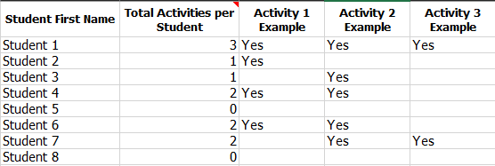

Directions: Student Participation Tab

Make sure you are on the correct tab.
Activity titles are automatically populated in columns E thru BB based on column A of the WBL Tracker tab. More columns can be added if you complete more WBL activities.
1. Import a list of student names and student ids uploaded in NAFTrack for the students you wish to track.
2. Select Yes in the cell drop menu next to the student's name when they particiapte in an activity.
3. Continue this for each activity.
4. DO NOT enter anything in Column D. Column D is automatically calculated based on the Yes count for each student. This will tally total activities for each student.

