Guidance
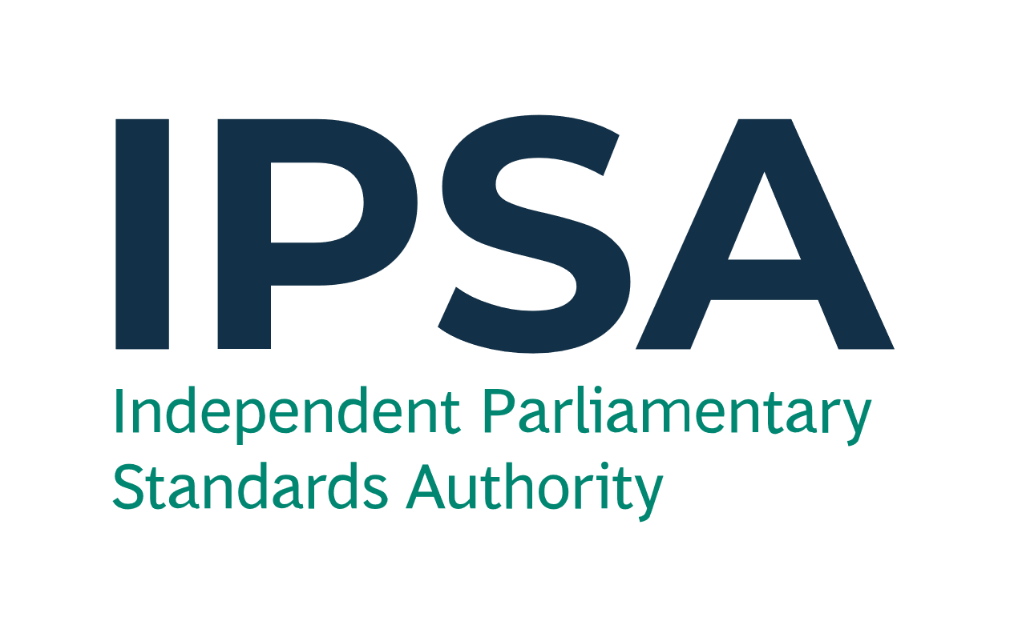
Year-End Forms

IPSA will accept this Year-End form by email from either the MP or the proxy from a registered parliamentary e-mail address, no later than 23:59 on Friday 19 April 2024, to info@theipsa.org.uk. Anything received after this deadline will not be considered.
We may need to contact you for further information regarding any items you have noted on this form.

Please use a Year-End Form to notify IPSA to record costs/income in the correct financial year. There is no need to submit nil responses.
We need to know this so that:
- you can ensure the expenditure and income are allocated to the correct financial year; and
- we can correctly report the amount of taxpayers' money spent in 2023-24 to the National Audit Office.
Please DO NOT use this form to record rent that IPSA pays direct to your landlord or goods/services that IPSA pays direct to the supplier.
Please refer to the Year-End guidance, available via the IPSA bulletin and www.ipsaonline.org.uk/year-end-2023-24, for further information.
This form is comprised of one page for Goods and Services (see 'Year-End Form - G&S' tab).
Fields with * are mandatory.

1 | Goods and Services

Please fill in this form to inform IPSA of expenses incurred/will be incurred or income received/will be received that needs to be recorded in the appropriate financial year. This could be a result of any of the following scenarios:
- where an invoice is not yet available and you are unable to submit a claim or reconcile your payment card lines before the submission deadline of 19 April; or
- where the service has been paid for in advance (but will be used in part or full on or after 1 April 2024), and where the costs need to be allocated in full or in part to your 2024-25 budgets; or
- you have received income relating to a good/service in 2023-24 but IPSA are only due to receive the funds in the new financial year (1 April 2024 to 31 March 2025); or
- you have received income in advance, in 2023-24, for a good or service in 2024-25.

Example of a filled form is shown below, illustrating the scenarios above.

Expenditure or income (please select) * | Source of transaction (please select) * | Claim number (if applicable) | Claim line number (if applicable) | Details of goods/services * | Expense category (please select) * | Budget (please select) * | Please give the reason for not yet receiving an invoice (invoices are normally supplied at the same time as the goods or services) [if applicable] | Request to IPSA * | Full transaction amount (£) * | Does it relate to a good or a service? (please select) * | Is this an actual amount or an estimate? (please select) * | Basis of the estimation (if estimate is selected) | Goods - actual or expected date of receipt (DD/ MM/ YYYY) | Service - start date of period of service (DD /MM/ YYYY) | Service - end date of period of service (DD /MM/ YYYY) | Total number of days for service (Automatic) | Amount (£) in 2023-24 (Automatic) | Amount (£) in 2024-25 (Automatic)
Expenditure | IPSA payment card |  |  | Quarterly electricity bill to cover the period up to 30 April 2024. | Utilities | Accommodation | Expecting the quarterly electricity bill for up to 30 April 2024 to be issued. | Record in 2023-24 | 450.00 | Services | Estimate | Based on the previous quarter's daily electricity bill charge. |  | 01/02/2024 | 30/04/2024 | 90 | 300.00 | 150.00
Expenditure | Reimbursement claim | 321654987 | 1 | Submitted claim, in March 2024, for council tax bill to cover the period 1 April 2024 to 31 March 2025. | Council tax | Accommodation |  | Record in 2024-25 | 1,500.00 | Services | Actual |  |  | 01/04/2024 | 31/03/2025 | 365 | 0.00 | 1,500.00
Expenditure | IPSA payment card | 987654321 | 4 | Printer paid for on 30 March 2024 to be delivered on 2 April 2024. Claim to IPSA went through on 31 March 2024. | Equipment - purchase | Office Costs |  | Record in 2024-25 | 100.00 | Goods | Actual |  | 02/04/2024 |  |  |  | 0.00 | 100.00
Income | Income |  |  | Notified by a hotel company, by April 2024, of a refund regarding a room that was occupied up to 31 March 2024. | Hotel - London | Accommodation Hotel | IPSA expects to receive the funds after 31 March 2024. | Record in 2023-24 | 65.00 | Services | Actual |  |  | 10/03/2024 | 11/03/2024 | 2 | 65.00 | 0.00
Income | Reimbursement claim | 123456789 | 1 | Quarterly income received in advance for subletting your office for April 2024 - June 2024. | Rental Income | Office Costs |  | Record in 2024-25 | 300.00 | Services | Actual |  |  | 01/04/2024 | 30/06/2024 | 91 | 0.00 | 300.00

* Mandatory field

