Guidance
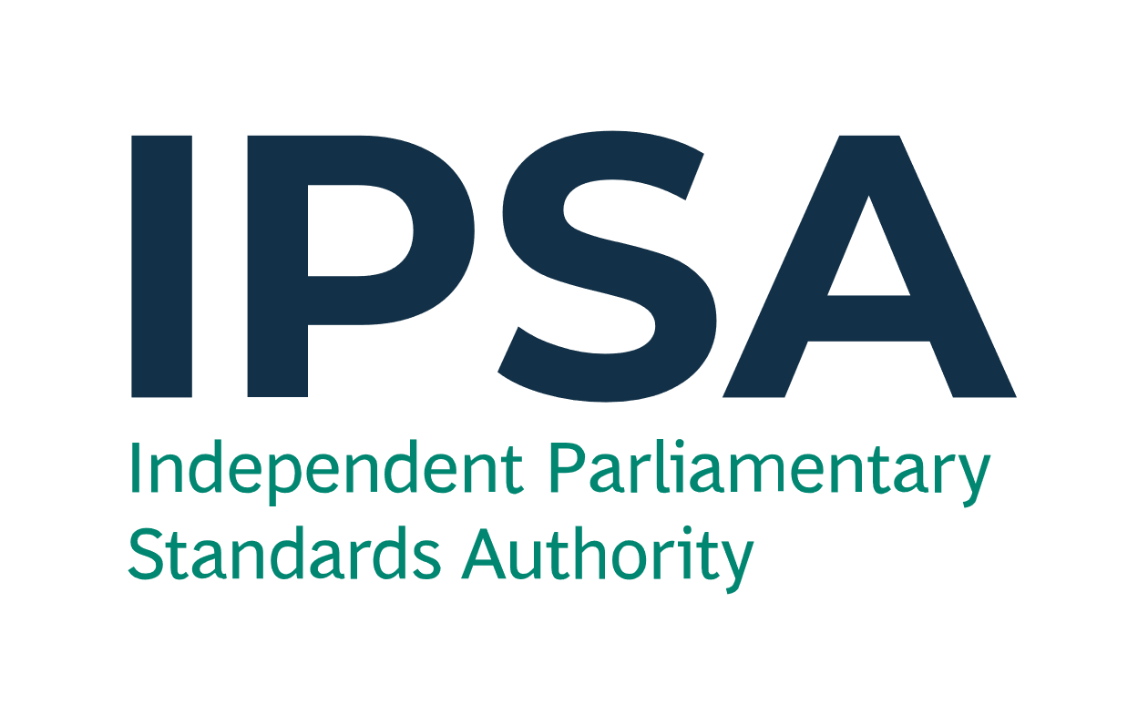
Year End Forms

Please send these forms to IPSA by 23:59 on Thursday 15 April 2021 to info@theipsa.org.uk.
Anything sent after the deadline will not be considered.

Please use a Year End Form to notify IPSA to record costs/income in the correct financial year. There is no need to submit nil responses.
We need to know this so that:
- you can ensure the expenditure and income are allocated to the correct financial year; and
- we can correctly report the amount of taxpayers' money spent in 2020-21 to the National Audit Office.
Please DO NOT use this form to record rent that IPSA pays direct to your landlord or goods/services that IPSA pays direct to the supplier.
Please refer to the Year End guidance, available via the IPSA bulletin and www.ipsaonline.org.uk/year-end-2020-21, for further information.
This form is comprised of two pages, one for Goods and Services (see 'Year End Form - G&S' tab) and another for Payroll (see 'Year End Form - Payroll' tab).
Fields with * are mandatory.

1 | Goods and Services

Please fill in this form to inform IPSA of expenses incurred/will be incurred or income received/will be received that needs to be recorded in the appropriate financial year. This could be a result of any of the following scenarios:
- where an invoice is not yet available and you are unable to submit a claim or reconcile your payment card lines before the submission deadline of 15 April; or
- where the service has been paid for in advance (and will be received in part or full on or after 1 April 2020), either by reimubursement or payment card and where the costs need to be allocated in full or in part to your 2021-22 budgets; or
- you have received income relating to a good/service in 2020-21 but IPSA are only due to receive the funds in the new financial year (1 April 2021 to 31 March 2022); or
- you have received income in advance, in 2020-21, for a good or service in 2021-22.

Example of a filled form is shown below, illustrating the scenarios above.

Expenditure or income (please select) * | Source of transaction (please select) * | Claim number (if applicable) | Claim line number (if applicable) | Details of goods/services * | Expense category (please select) * | Budget (please select) * | Please give the reason for not yet receiving an invoice (invoices are normally supplied at the same time as the goods or services) [if applicable] | Request to IPSA * | Full transaction amount (£) * | Does it relate to a good or a service? (please select) * | Is this an actual amount or an estimate? (please select) * | Basis of the estimation (if estimate is selected) | Goods - actual or expected date of receipt (DD/ MM/ YYYY) | Service - start date of period of service (DD /MM/ YYYY) | Service - end date of period of service (DD /MM/ YYYY) | Total number of days for service (Automatic) | Amount (£) in 2020-21 (Automatic) | Amount (£) in 2021-22 (Automatic)
Expenditure | Reimbursement claim |  |  | Stationery ordered on/before 31 March 2021 and received on/before 31 March 2021. | Stationery & printing | Office Costs | Ordered over the phone and expecting supplier to send the invoice after 31 March. | Record in 2020-21 | 35.00 | Goods | Actual |  | 30/03/2021 |  |  |  | 35.00 | 0.00
Expenditure | Reimbursement claim | 456123789 | 5 | Incurred mileage expenses between 20 February 2021 and 22 February 2021, but only submitted expense claim on 4 April 2021. | Mileage - car | Travel |  | Record in 2020-21 | 97.48 | Services | Actual |  |  | 20/02/2021 | 22/02/2021 | 3 | 97.48 | 0.00
Expenditure | IPSA payment card |  |  | Quarterly electricity bill to cover the period up to 30 April 2021. | Utilities | Accommodation | Expecting the quarterly electricity bill for up to 30 April 2021 to be issued. | Record in 2020-21 | 450.00 | Services | Estimate | Based on the previous quarter's daily electricity bill charge. |  | 01/02/2021 | 30/04/2021 | 89 | 298.31 | 151.69
Expenditure | Reimbursement claim | 321654987 | 1 | Submitted claim, in March 2021, for council tax bill to cover the period 1 April 2021 to 31 March 2022. | Council tax | Accommodation |  | Record in 2021-22 | 1,500.00 | Services | Actual |  |  | 01/04/2021 | 31/03/2022 | 365 | 0.00 | 1,500.00
Expenditure | IPSA payment card | 987654321 | 4 | Printer paid for on 30 March 2021 to be delivered on 2 April 2021. Claim to IPSA went through on 31 March 2021. | Equipment - purchase | Office Costs |  | Record in 2021-22 | 100.00 | Goods | Actual |  | 02/04/2021 |  |  |  | 0.00 | 100.00
Income | Income |  |  | Notified by a hotel company, by April 2021, of a refund regarding a room that was occupied up to 31 March 2021. | Hotel - London | Accommodation Hotel | IPSA expects to receive the funds after 31 March 2021. | Record in 2020-21 | 65.00 | Services | Actual |  |  | 10/03/2021 | 11/03/2021 | 2 | 65.00 | 0.00
Income | Reimbursement claim | 123456789 | 1 | Quarterly income received in advance for subletting your office for April 2021 - June 2021. | Rental Income | Office Costs |  | Record in 2021-22 | 300.00 | Services | Actual |  |  | 01/04/2021 | 30/06/2021 | 91 | 0.00 | 300.00

* Mandatory field

2 | Payroll

Please fill in this form to record costs that you wish to be paid to a staff member(s) during April or May 2021 to ensure the costs are allocated to the correct financial year.
Please note that IPSA will automatically allocate any timesheets and/or pay arrears paid in April 2021 which relate to the 2020-21 financial year to your 2020-21 staffing budget. You do not need to complete this form for these payments.
However, the Year End Form must be completed and sent to IPSA by 23:59 on Thursday 15 April 2021 for the following:
- reward and recognition payments to staff members that are to be paid in April and May 2021 salaries, but which you want to allocate to your 2020-21 staffing budget
- timesheets which are not submitted and authorised by 23:59 on Thursday 15 April 2021, that are to be paid in May 2021 salaries, but which you want to allocate to your 2020-21 staffing budget
- any late pay arrears, that are to be paid in May 2021 salaries, but which you want to allocate to your 2020-21 staffing budget (e.g. a March new-starter staff member not paid at all until May, where you want the proportion of salary paid for March 2021 to come from 2020-21 budget).
This form will not automatically make payments to staff members in itself. Please see the full guidance available at www.ipsaonline.org.uk/year-end-2020-21 for more details on other documentation requirements.

Example of a filled form is shown below.

Details of staffing costs that will be paid in 2021-22 but are to be allocated to your 2020-21 staffing budget * |  | Staff member name * | Budget (please select) * | Is this an actual amount or an estimate? (please select) * | Amount (£) (reasonable estimate if you do not know the exact figure) * | Employers National Insurance cost 13.8% (£) [Automatic] | Employers pension cost 10% (£) [Automatic] | Total cost (£) [Automatic]
Reward and recognition |  | A N Other | Staffing | Actual | 500.00 | 69.00 | 0.00 | 569.00
New starter |  | J Bloggs | Staff Absence | Estimate | 2,000.00 | 276.00 | 200.00 | 2,476.00

* Mandatory field

