Example
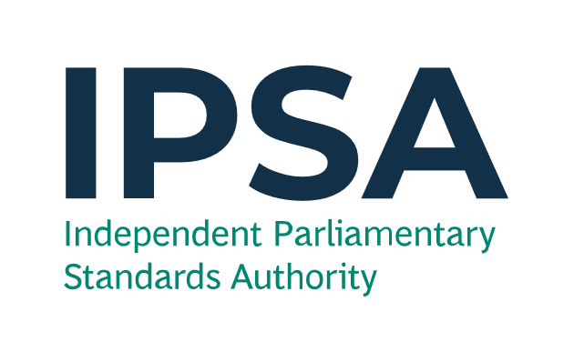
Year-End Form

IPSA will accept this Year-End form by email from either the MP or the proxy from a registered parliamentary e-mail address, no later than 23:59 on Friday 8 May 2026, to info@theipsa.org.uk. Anything received after this deadline will not be considered.
We may need to contact you for further information regarding any items you have noted on this form.

Please use a Year-End Form to notify IPSA to record costs in the correct financial year.
We need to know this so that:
- you can ensure that expenditure is allocated to the correct financial year; and
- we can correctly report the amount of taxpayers' money spent in 2025-26 to the National Audit Office.

Fields with * are mandatory.

By submitting this form, you are confirming the following:

I understand that any Year-End forms sent to IPSA after 23:59 on Friday 08 May 2026 and/or sent to an alternative address to the above will not be accepted against the specified financial year on the form.
I declare that the information provided on this Year-End form is correct to the best of my knowledge and all mandatory fields are completed. I understand that items with cells that are highlighted in red will not be considered.
If I am sending this form as a proxy, I declare that the MP is aware of this Year-End form being submittted.

Example of a filled form is shown below, illustrating various scenarios:
MP's Name * |  | Example |  |  | Name of Person Submitting the Form * |  | Example

MP's Constituency * |  | Example |  |  | Date * |  | 2026-05-08

Source of transaction (please select) * | Claim number * | Claim line number * | Details of goods/services * | Expense category (please select) * | Budget that the claim is in (please select) * | Full transaction amount (£) * | Does it relate to a good or a service? (please select) * | Goods - actual or expected date of receipt (DD/ MM/ YYYY) | Service - start date of period of service (DD /MM/ YYYY) | Service - end date of period of service (DD /MM/ YYYY) | Total number of days for service (Automatic) | Amount (£) in 2025-26 (Automatic) | Amount (£) in 2026-27 (Automatic)
IPSA payment card | 789456123 | 2 | Quarterly electricity bill to cover the period up to 30 April 2026 | Utilities | Accommodation | 450.00 | Services |  | 01/02/2026 | 30/04/2026 | 89 | 298.31 | 151.69
Reimbursement claim | 321654987 | 1 | Submitted claim in March 2026 for council tax bill to cover the period 1 April 2026 to 31 March 2027 | Council tax | Accommodation | 1,500.00 | Services |  | 01/04/2026 | 31/03/2027 | 365 | 0.00 | 1,500.00
IPSA payment card | 987654321 | 4 | Printer paid for on 25 March 2026 to be delivered on 2 April 2026 | Equipment - purchase | Office Costs | 100.00 | Goods | 02/04/2026 |  |  |  | 0.00 | 100.00
Reimbursement claim | 123456789 | 1 | Mobile Phone purchased on 30 March 2026, with the claim to IPSA being made in April 2026 | Equipment - purchase | Office Costs | 300.00 | Goods | 30/03/2026 |  |  |  | 300.00 | 0.00

