Guidance
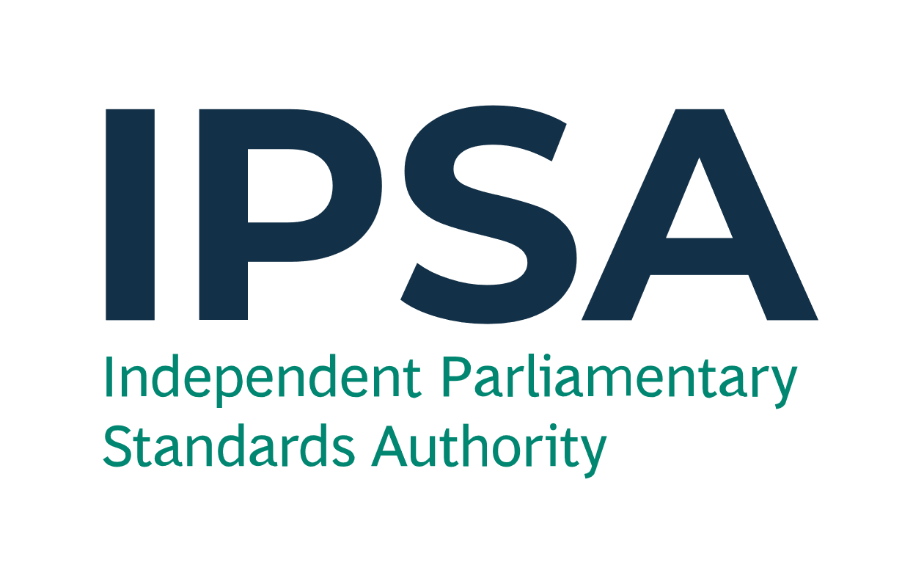
Year End Forms

Please send these forms to IPSA by 23:59 on Thursday 14 April 2022 to info@theipsa.org.uk.
Anything sent after the deadline will not be considered.

Please use a Year End Form to notify IPSA to record costs/income in the correct financial year. There is no need to submit nil responses.
We need to know this so that:
- you can ensure the expenditure and income are allocated to the correct financial year; and
- we can correctly report the amount of taxpayers' money spent in 2021-22 to the National Audit Office.
Please DO NOT use this form to record rent that IPSA pays direct to your landlord or goods/services that IPSA pays direct to the supplier.
Please refer to the Year End guidance, available via the IPSA bulletin and the year end section on ipsaonline.org.uk, for further information.
This form is comprised of two pages, one for Goods and Services (see 'Year End Form - G&S' tab) and another for Payroll (see 'Year End Form - Payroll' tab).
Fields with * are mandatory.

1 | Goods and Services

Please fill in this form to inform IPSA of business costs incurred/will be incurred or income received/will be received that needs to be recorded in the appropriate financial year. This could be a result of any of the following scenarios:
- where an invoice is not yet available and you are unable to submit a claim or reconcile your payment card lines before the submission deadline of 14 April; or
- where the service has been paid for in advance (and will be received in part or full on or after 1 April 2022), either by reimubursement or payment card and where the costs need to be allocated in full or in part to your 2022-23 budgets; or
- you have received income relating to a good/service in 2021-22 but IPSA are only due to receive the funds in the new financial year (1 April 2022 to 31 March 2023); or
- you have received income in advance, in 2021-22, for a good or service in 2022-23.

Example of a filled form is shown below, illustrating the scenarios above.

Expenditure or income (please select) * | Source of transaction (please select) * | Claim number (if applicable) | Claim line number (if applicable) | Details of goods/services * | Business cost category (please select) * | Budget (please select) * | Please give the reason for not yet receiving an invoice (invoices are normally supplied at the same time as the goods or services) [if applicable] | Request to IPSA * | Full transaction amount (£) * | Does it relate to a good or a service? (please select) * | Is this an actual amount or an estimate? (please select) * | Basis of the estimation (if estimate is selected) | Goods - actual or expected date of receipt (DD/ MM/ YYYY) | Service - start date of period of service (DD /MM/ YYYY) | Service - end date of period of service (DD /MM/ YYYY) | Total number of days for service (Automatic) | Amount (£) in 2021-22 (Automatic) | Amount (£) in 2022-23 (Automatic)
Expenditure | Reimbursement claim |  |  | Stationery ordered on/before 31 March 2022 and received on/before 31 March 2022. | Stationery & printing | Office Costs | Ordered over the phone and expecting supplier to send the invoice after 31 March. | Record in 2021-22 | 35.00 | Goods | Actual |  | 30/03/2022 |  |  |  | 35.00 | 0.00
Expenditure | Reimbursement claim | 456123789 | 5 | Incurred mileage expenses between 20 February 2022 and 22 February 2022, but only submitted expense claim on 4 April 2022. | Mileage - car | Travel |  | Record in 2021-22 | 97.48 | Services | Actual |  |  | 20/02/2022 | 22/02/2022 | 3 | 97.48 | 0.00
Expenditure | IPSA payment card |  |  | Quarterly electricity bill to cover the period up to 30 April 2022. | Utilities | Accommodation | Expecting the quarterly electricity bill for up to 30 April 2022 to be issued. | Record in 2021-22 | 450.00 | Services | Estimate | Based on the previous quarter's daily electricity bill charge. |  | 01/02/2022 | 30/04/2022 | 89 | 298.31 | 151.69
Expenditure | Reimbursement claim | 321654987 | 1 | Submitted claim, in March 2022, for council tax bill to cover the period 1 April 2022 to 31 March 2023. | Council tax | Accommodation |  | Record in 2022-23 | 1,500.00 | Services | Actual |  |  | 01/04/2022 | 31/03/2023 | 365 | 0.00 | 1,500.00
Expenditure | IPSA payment card | 987654321 | 4 | Printer paid for on 30 March 2022 to be delivered on 2 April 2022. Claim to IPSA went through on 31 March 2022. | Equipment - purchase | Office Costs |  | Record in 2022-23 | 100.00 | Goods | Actual |  | 02/04/2022 |  |  |  | 0.00 | 100.00
Income | Income |  |  | Notified by a hotel company, by April 2022, of a refund regarding a room that was occupied up to 31 March 2022. | Hotel - London | Accommodation Hotel | IPSA expects to receive the funds after 31 March 2022. | Record in 2021-22 | 65.00 | Services | Actual |  |  | 10/03/2022 | 11/03/2022 | 2 | 65.00 | 0.00
Income | Reimbursement claim | 123456789 | 1 | Quarterly income received in advance for subletting your office for April 2022 - June 2022. | Rental Income | Office Costs |  | Record in 2022-23 | 300.00 | Services | Actual |  |  | 01/04/2022 | 30/06/2022 | 91 | 0.00 | 300.00

* Mandatory field

2 | Payroll

Please fill in this form to record costs that you wish to be paid to a staff member(s) during April or May 2022 to ensure that the costs are allocated to the correct financial year.
Please note that IPSA will automatically allocate any timesheets and/or pay arrears paid in April 2022 which relate to the 2021-22 financial year to your 2021-22 staffing budget. You do not need to complete this form for these payments.
However, the Year End Form must be completed and sent to IPSA by 23:59 on Thursday 14 April 2022 for the following:
- reward and recognition payments to staff members that are to be paid in April and May 2022 salaries, but which you want to allocate to your 2021-22 staffing budget
- timesheets which are not submitted and authorised by 23:59 on Thursday 14 April 2022, that are to be paid in May 2022 salaries, but which you want to allocate to your 2021-22 staffing budget
- any late pay arrears, that are to be paid in May 2022 salaries, but which you want to allocate to your 2021-22 staffing budget (e.g. a March new-starter staff member not paid at all until May, where you want the proportion of salary paid for March 2022 to come from 2021-22 budget).
This form WILL NOT automatically make payments to staff members in itself. Please see the full guidance available on the year end section on ipsaonline.org.uk for more details on other documentation requirements.

Example of a filled form is shown below.

Details of staffing costs that will be paid in 2022-23 but are to be allocated to your 2021-22 staffing budget * |  | Staff member name * | Budget (please select) * | Is this an actual amount or an estimate? (please select) * | Amount (£) (reasonable estimate if you do not know the exact figure) * | Employers National Insurance cost 13.8% (£) [Automatic] | Employers pension cost 10% (£) [Automatic] | Total cost (£) [Automatic]
Reward and recognition |  | A N Other | Staffing | Actual | 520.00 | 71.76 | 0.00 | 591.76
New starter |  | J Bloggs | Staff Absence | Estimate | 2,000.00 | 276.00 | 200.00 | 2,476.00

* Mandatory field

