inc_anatomicalsite_oesophageal
Oesophageal Cancer (C15): 2016-2018

Distribution of Cases Diagnosed By Anatomical Site, UK

 | Females |  | Males |  | Persons
 | Average Cases | % | Average Cases | % | Average Cases | %
Upper Third (C15.0, C15.3) | 246 | 8.7% | 298 | 4.6% | 544 | 5.9%
Middle Third (C15.1, C15.4) | 808 | 28.4% | 856 | 13.3% | 1,664 | 17.9%
Lower Third (C15.2, C15.5) | 1,244 | 43.7% | 4,123 | 64.1% | 5,367 | 57.9%
Oesophagus, Overlapping and Unspecified (C15.8-C15.9) | 546 | 19.2% | 1,151 | 17.9% | 1,697 | 18.3%
Total | 2,844 |  | 6,428 |  | 9,272
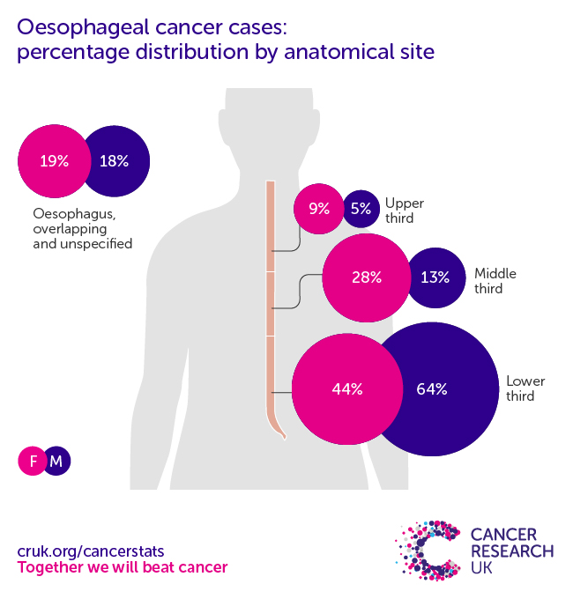

Cases and percentages may not sum due to rounding

Source: cruk.org/cancerstats

You are welcome to reuse this Cancer Research UK statistics content for your own work.
Credit us as authors by referencing Cancer Research UK as the primary source.
Suggested style: Cancer Research UK, full URL of the page, Accessed [month] [year].

