deathsavoided_m18
Young People's Cancers (C00-C97, D32-D33, D35.2-D35.4, D42-D43, D44.3-D44.5): 1971-2018

Observed Deaths, and Expected Deaths if Mortality Rates had not Fallen from Early 1970s, Young People ages 15-24, UK, 1971-2018

Sex |  | 1971 | 1972 | 1973 | 1974 | 1975 | 1976 | 1977 | 1978 | 1979 | 1980 | 1981 | 1982 | 1983 | 1984 | 1985 | 1986 | 1987 | 1988 | 1989 | 1990 | 1991 | 1992 | 1993 | 1994 | 1995 | 1996 | 1997 | 1998 | 1999 | 2000 | 2001 | 2002 | 2003 | 2004 | 2005 | 2006 | 2007 | 2008 | 2009 | 2010 | 2011 | 2012 | 2013 | 2014 | 2015 | 2016 | 2017 | 2018 | Total deaths avoided up to 2018
Persons | Observed | 664 | 636 | 641 | 657 | 615 | 582 | 635 | 615 | 577 | 609 | 567 | 566 | 571 | 589 | 545 | 524 | 491 | 536 | 492 | 430 | 436 | 428 | 415 | 382 | 373 | 381 | 343 | 343 | 341 | 331 | 337 | 364 | 359 | 376 | 320 | 341 | 363 | 312 | 328 | 300 | 306 | 273 | 273 | 294 | 278 | 295 | 236 | 280 | 11,790
 | Expected | 664 | 656 | 665 | 665 | 668 | 679 | 691 | 705 | 720 | 738 | 752 | 761 | 769 | 776 | 777 | 775 | 767 | 753 | 733 | 713 | 693 | 670 | 650 | 633 | 622 | 609 | 598 | 592 | 592 | 597 | 607 | 620 | 634 | 646 | 657 | 667 | 678 | 683 | 685 | 690 | 698 | 698 | 693 | 691 | 687 | 681 | 671 | 667
 | Avoided | 0 | 20 | 24 | 8 | 53 | 97 | 56 | 90 | 143 | 129 | 185 | 195 | 198 | 187 | 232 | 251 | 276 | 217 | 241 | 283 | 257 | 242 | 235 | 251 | 249 | 228 | 255 | 249 | 251 | 266 | 270 | 256 | 275 | 270 | 337 | 326 | 315 | 371 | 357 | 390 | 392 | 425 | 420 | 397 | 409 | 386 | 435 | 387

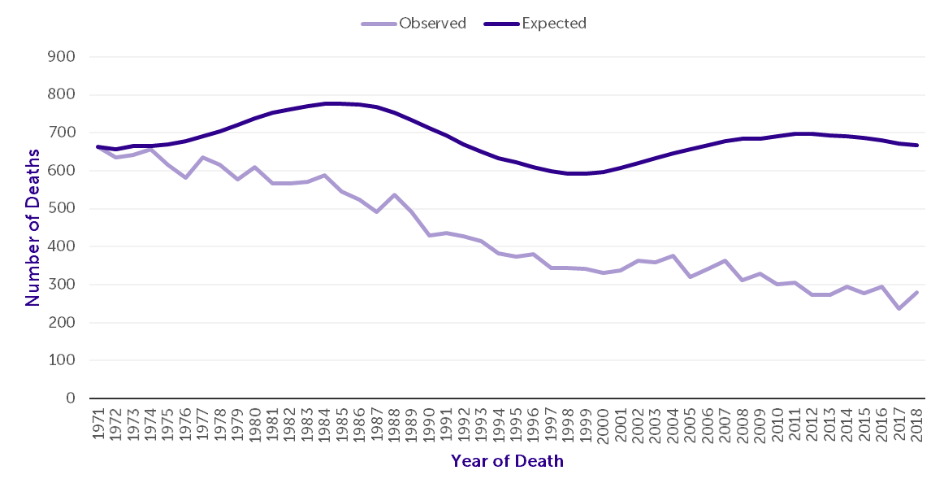

Source: cruk.org/cancerstats

You are welcome to reuse this Cancer Research UK statistics content for your own work.
Credit us as authors by referencing Cancer Research UK as the primary source.
Suggested style: Cancer Research UK, full URL of the page, Accessed [month] [year].

chart prep delete once checked
Sex |  | 1971 | 1972 | 1973 | 1974 | 1975 | 1976 | 1977 | 1978 | 1979 | 1980 | 1981 | 1982 | 1983 | 1984 | 1985 | 1986 | 1987 | 1988 | 1989 | 1990 | 1991 | 1992 | 1993 | 1994 | 1995 | 1996 | 1997 | 1998 | 1999 | 2000 | 2001 | 2002 | 2003 | 2004 | 2005 | 2006 | 2007 | 2008 | 2009 | 2010 | 2011 | 2012 | 2013 | 2014 | 2015 | 2016 | 2017 | 2018
Persons | Observed | 664 | 636 | 641 | 657 | 615 | 582 | 635 | 615 | 577 | 609 | 567 | 566 | 571 | 589 | 545 | 524 | 491 | 536 | 492 | 430 | 436 | 428 | 415 | 382 | 373 | 381 | 343 | 343 | 341 | 331 | 337 | 364 | 359 | 376 | 320 | 341 | 363 | 312 | 328 | 300 | 306 | 273 | 273 | 294 | 278 | 295 | 236 | 280
 | Expected | 664 | 656 | 665 | 665 | 668 | 679 | 691 | 705 | 720 | 738 | 752 | 761 | 769 | 776 | 777 | 775 | 767 | 753 | 733 | 713 | 693 | 670 | 650 | 633 | 622 | 609 | 598 | 592 | 592 | 597 | 607 | 620 | 634 | 646 | 657 | 667 | 678 | 683 | 685 | 690 | 698 | 698 | 693 | 691 | 687 | 681 | 671 | 667
 | Avoided | 0 | 38 | 100 | 121 | 120 | 160 | 165 | 140 | 201 | 207 | 248 | 237 | 285 | 262 | 321 | 330 | 342 | 319 | 348 | 358 | 336 | 397 | 401 | 424 | 444 | 443 | 438 | 432 | 429 | 479 | 458 | 420 | 445 | 446 | 484 | 451 | 466 | 521 | 525 | 511 | 530 | 527 | 538 | 549 | 584 | 607 | 563 | 583

