Sheet1
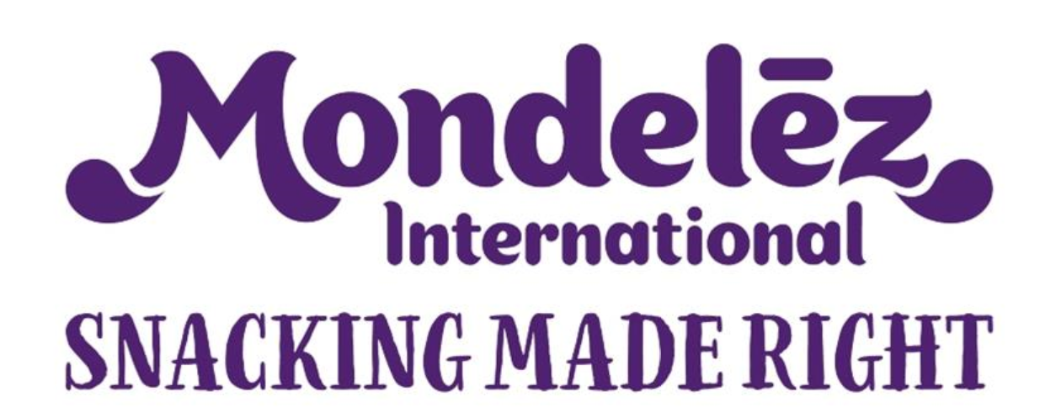
 |  |  |  |  |  | Corrective Action Plan |  |  |  |  | Total Actions | 2
 |  |  |  |  |  |  |  |  |  |  |  |  |  |  | Total Completed | 50%
 |  |  |  |  |  |  |  |  |  |  | On Track | 0 | 0%

 |  |  |  |  |  |  |  |  |  |  | Delayed | 0 | 0%
 |  |  |  |  |  |  |  |  |  |  |  |  |  |  | Completed + On Track | 50%
 |  |  |  |  |  |  |  |  |  |  | Completed on time | 1 | 50%

 |  |  |  |  |  |  |  |  |  |  | Completed delayed | 0 | 0%

 |  |  |  |  |  |  |  |  |  |  |  |  |  | 2021-12-06
Region | Product | TML Site | Audit Date | TML (Audit section issue identified) | Origin | Non conformity | Severity of Issue (Major or Minor NC as determined by MDLZ coordinators) | Corrective Action Description | Responsible | Deadline (date expected to be completed) | Revised deadline (Based on discussions with MDLZ Coordinators) | Conclusion (Date NC was actually completed and verified by plant) | Status | Traffic Light Status | Conclusion Status | Comments | Report Issue Date | CAPA Return Date
NA/LA/MEU/AMEA | Describe the product being made | Name of Site | Date of the TML Audit | MDLZTML;GZSP;8;22 | TML Audit Report | Sampling once a month for water: Viewed coliform testing XXXXXXX Labs 03/06/2020. Coliform limits: Any positive reading results; however SOP does not show the micro limits for water. |  | Update Plant SOP TGP 8.18 Water Testing and Control Policy to show micro limits for Coliform testing for water. |  | mm/dd/yy |  | mm/dd/yy | OK | COMPLETED | ON TIME

 |  |  |  |  |  |  |  |  |  |  |  |  | ok | Completed | On-time

